Compare
 | Feature | Kinesis Data Streams | Kinesis Data Firehose
 | Use Case | Real-time data processing with custom applications | Near real-time data delivery to storage/services
 | Data Consumers | Custom apps using Kinesis Client Library (KCL), Lambda | Managed delivery to S3, Redshift, OpenSearch, Splunk
 | Management | Developer-managed (shard scaling, retries, batching) | Fully managed (auto-scaling, buffering, retries)
 | Latency | Milliseconds | Typically 60 seconds (buffering delay)
 | Custom Processing | Yes – via consumers (e.g., Lambda, EC2 apps) | Limited – supports Lambda for basic transformation
 | Data Retention | 24 hours (default), up to 7 days ( extended ), 365 days ( Extended On-Demand ) for archival, reprocessing and audits | No retention – delivers immediately
 | Replay Capability | Yes (can reprocess old data within retention period) | No (data can’t be replayed after delivery)
 | Scalability | Manual or On-Demand scaling (shards) | Fully automatic
 | Pricing | Based on shards and PUT payloads | Based on volume of data ingested and delivered
 | Usage | Use when you need real-time analytics, custom processing, or data replay. | Use when you want simple, managed data delivery to S3, Redshift, etc., without building custom consumers.

 | Feature | Redis (ElastiCache) | Memcached (ElastiCache)
 | Persistence | ✅ (RDB snapshot only) | ❌ In-memory only
 | Replication & Failover | ✅ Multi-AZ, failover supported | ❌ No built-in support
 | Data Structures | ✅ Rich (lists, sets, hashes...) | ❌ Simple key-value
 | Pub/Sub | ✅ Yes | ❌ No
 | Use for Complex Workloads | ✅ Yes | ❌ No
 | Best for | Real-time apps, analytics | Simple, fast, stateless cache
 | Use when | You need data durability, replication, or rich data types,You’re building real-time apps (e.g., chat, gaming leaderboards),You need Pub/Sub, TTL, | You need lightweight, fast, high throughput, and simple caching.You don’t need persistence or replication.You prioritize memory efficiency

 | Lambda Feature | Lambda - Reserved Concurrency | Lambda - Provisioned Concurrency
 | Purpose | Throttle or guarantee capacity | Eliminate cold starts
 | Cold start protection | ❌ No | ✅ Yes
 | Idle charges | ❌ No | ✅ Yes
 | Guarantees availability | ✅ Yes (for that quota) | ✅ Yes (warm & instant)
 | Use case | Resource protection | Low-latency, predictable traffic
 | Use when | e.g Protects downstream resources (e.g., RDS) from being overwhelmed. Limit concurrency or guarantee capacity for critical functions. | APIs, user-facing apps, low-latency workloads. Checkout flows, real-time dashboards, personalized content delivery. Daily report generation, batch file processing, periodic syncing jobs.

 | Feature | CloudFront Functions | Lambda@Edge
 | Runtime | Custom JS | Node.js, Python
 | # of Requests | Millions of requests per Second | Thousands of requests per Second
 | Execution time | < 1 ms | 5 - 10 seconds
 | Max Memory | 2 MB | 128 MB to 10 GB
 | Total Package Size | 10 kb | 1 MB - 50 MB
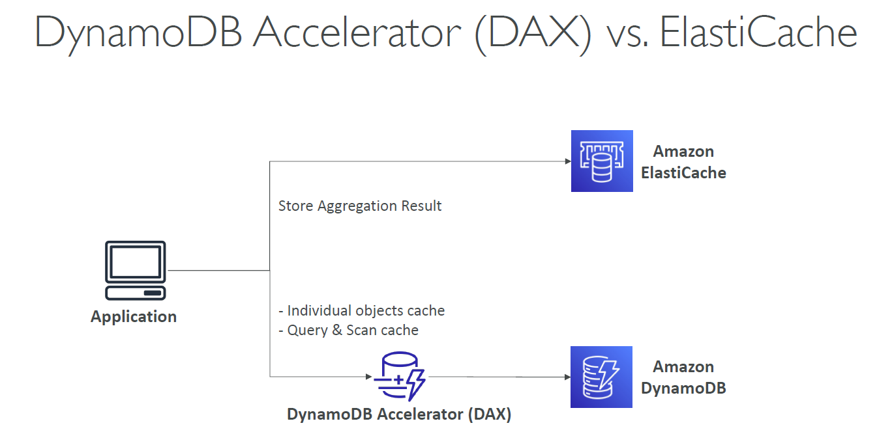
 | Network & File System access | ❌ No | ✅ Yes
 | Cold Start | ❌ No | ✅ Yes
 | Network Calls | ❌ Not supported | ✅ Supported
 | Execution Triggers | 2 stages - Viewer Req/Resp only | All 4 stages - Viewer Request/Response, Origin - Request/Response
 | Cost | 💲 Lower | 💲💲 Higher
 | Use Case Fit | Simple, fast edge logic | Complex, full-feature logic
 | Use cases | Header rewriting, URL rewrites, redirects, user-agent filtering, A/B testing | Authentication, geolocation routing, device-based personalization, logging, external API calls

 | Feature | DAX | ElastiCache (Redis/Memcached)
 | Tied to | DynamoDB only | Works with any application (DynamoDB, RDS, etc.)
 | Use Case | DynamoDB read optimization | General caching, pub/sub, etc.
 | Setup | Easy with DynamoDB SDK | Requires custom logic
 | Consistency | Eventually consistent | Manual control
 | Write Caching | Write-through | Typically read-through or lazy
 | Performance | Microsecond latency | Sub-millisecond latency
 | Use Case | Improve read performance for DynamoDB-heavy applications | Caching, session store, pub/sub, leaderboards, queues

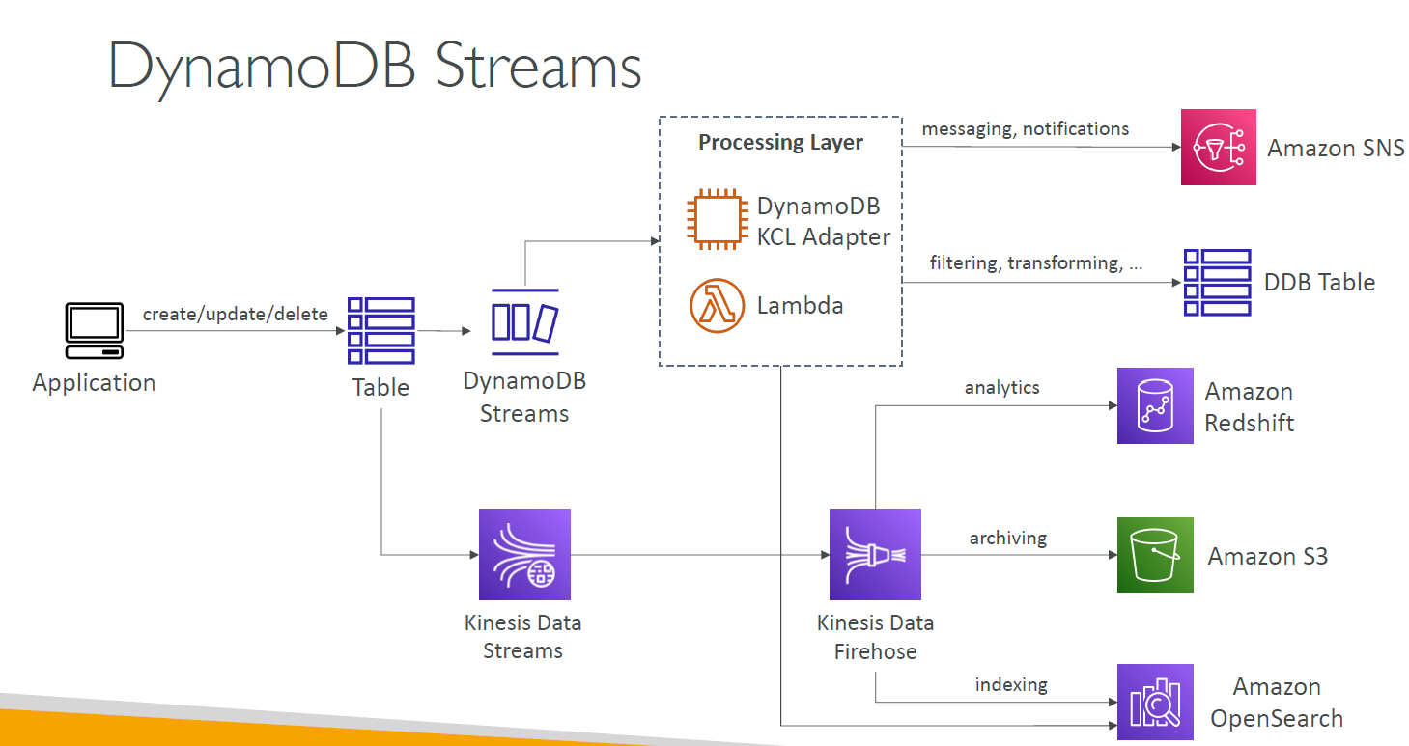
 | Feature | DynamoDB Streams | Kinesis Data Streams
 | Source | DynamoDB only | Any producer
 | Retention | 24 hours | 1 to 365 days
 | Ordering | Yes (by key) | Yes (per shard)
 | # of Consumers | 2 standard; adapter for fan-out | 5 (shared) or unlimited (EFO)
 | Use Cases | CDC, triggers | Logs, events, analytics
 | Integration | AWS Lambda (native), custom polling | Lambda, Firehose, Analytics, custom apps
 | Use Cases | Triggers, replication, auditing e.g react to real time changes - e.g welcome email to new join | Real-time processing, ML, dashboards

 | API Gateway- End Points | Edge-Optimized - End Point | Regiona l- End Point | Private - End Point
 | Access | Public – optimized for global clients | Public – optimized for regional clients | Private – only accessible within VPCs
 | CDN via CloudFront | ✅ Built-in (uses CloudFront automatically) | ❌ Optional (you can add your own CDN) | ❌ Not applicable
 | Ideal Use Case | Global public-facing APIs | Regional apps or where low latency is needed in-region | Internal microservices, back-end services
 | VPC-only Access | ❌ No (requires public internet access) | ❌ No (but can access from VPC via IGW/NAT) | ✅ Yes (via PrivateLink/interface endpoints)
 | Latency | ✅ Optimized for global users via edge caching | ✅ Low latency for in-region requests | ✅ Lowest latency inside VPC or peered VPCs
 | Custom Domain Support | ✅ Yes | ✅ Yes | ❌ No (must use AWS-generated or private DNS)
 | Security Mechanisms | IAM, Lambda/Cognito authorizers, WAF | IAM, authorizers, WAF | IAM, VPC security groups, PrivateLink
 | Internet Access Required | ✅ Yes | ✅ Yes | ❌ No (completely isolated from the internet)
 | Use with Load Balancers | ✅ Can front NLB/ALB via Lambda or HTTP | ✅ Can route to NLB/ALB | ❌ Not directly (only internal communication)
 | Cost Consideration | Slightly higher due to CloudFront overhead | Lower than edge-optimized | Similar to regional, but incurs PrivateLink charges

 | Cognito Feature | Cognito User Pool | Cognito Identity Pool
 | Primary Use | Authentication | Authorization to AWS resources
 | Manages Users | ✅ Yes | ❌ No
 | AWS Credentials Provided | ❌ No | ✅ Yes (temporary IAM credentials)
 | Federation Support | ✅ Yes | ✅ Yes
 | Token Type | JWT (ID, Access, Refresh) | STS (AccessKey, SecretKey, Token)
 | IAM Role Mapping | ❌ No | ✅ Yes
 | Common Usage | User login for app | Granting AWS access post-login

 | Certainly! Here's a consolidated summary table comparing Aurora Global Database used with Pilot Light vs Warm Standby DR strategies, combining all points in a single view:

 | Aurora Global Table | Pilot Light Deployment | Warm Standby Deployment
 | Secondary Region Setup | Minimal Aurora cluster (read replica only, no active readers or compute scaled down) | Fully operational Aurora cluster with active reader instances
 | Compute Resources | Minimal – idle or scaled-down setup | Actively running instances
 | Supports Read Traffic | ❌ No – not intended for active read workloads | ✅ Yes – can handle read traffic or partial load
 | Replication Mode | Asynchronous (Aurora Global default) | Asynchronous (Aurora Global default)
 | Replication Latency | ~<1 second | ~<1 second
 | Failover Mechanism | Manual promotion of read replica to writer | Manual or automated failover to warm standby
 | Recovery Time Objective (RTO) | High – longer time ( e.g hours ) due to scaling up and promoting | Low – minutes due to ready infrastructure
 | Recovery Point Objective (RPO) | Low – data is nearly up to date | Low – same as Pilot Light
 | Cost | Low – pay for minimal resources and storage | Higher – pay for compute resources kept warm
 | Use Case | Budget-conscious DR; OK with longer recovery time | Mission-critical workloads needing low RTO and faster failover

 | Feature | AWS Key Management Service (KMS) | AWS Certificate Manager (ACM)
 | Purpose | Manage and control encryption keys | Manage and deploy SSL/TLS certificates
 | Use Case | - Encrypt S3 objects - RDS and EBS encryption - Lambda env var encryption - DynamoDB encryption - Secrets Manager key management | - Secure HTTPS for websites/APIs via ALB, CloudFront- Automatically renew certificates- Enable TLS on custom domains
 | Data Type | Generic key material (symmetric/asymmetric) | X.509 SSL/TLS certificates
 | Encryption Scope | Data at rest + in transit (via app-level encryption) | Data in transit (HTTPS/TLS) only
 | Auto-Renewal | ❌ No – keys must be rotated manually or scheduled | ✅ Yes – ACM handles renewal automatically
 | Key Rotation | ✅ Yes – automatic or manual rotation supported | ✅ Yes – automatic for managed certs
 | Access Control | IAM policies, KMS grants | IAM policies, resource permissions
 | Integration Examples | S3, EBS, RDS, Lambda, DynamoDB, Secrets Manager | CloudFront, ALB/NLB, API Gateway, ACM Private CA
 | Typical Consumers | Application components using encryption | Web apps, APIs, browsers

 | RDS Feature | Multi-AZ Instance Deployment | Multi-AZ Cluster Deployment (newer)
 | Architecture | Primary + 1 standby in different AZ (active-passive) | Writer + 1+ reader nodes in different AZs (active-active for reads)
 | Failover | Automatic to standby instance (DNS switch) | Automatic to reader or new writer (faster failover)
 | Reader support | ❌ No separate reader endpoints | ✅ Reader endpoint available for read scaling
 | Scaling reads | ❌ Not possible | ✅ Yes, via reader nodes
 | Backup method | Backups run on primary instance | Backups offloaded to replicas to reduce impact
 | Use Case | High availability only | High availability + Read scaling + Improved failover
 | Performance Insights | Available | Available
 | Cost | Generally lower | Slightly higher due to extra capabilities
 | Failover Time | ~60–120 seconds | 10–35 seconds
 | Use - case | Ideal for workloads that need high availability but not read scaling (e.g., OLTP systems). | Suitable for applications needing HA, better failover, and read replicas (e.g., customer-facing apps with heavy read traffic).

 | Feature | DynamoDB Global Tables | Amazon Aurora Global Database
 | Database Type | NoSQL (key-value, document) | Relational (MySQL/PostgreSQL compatible)
 | Architecture | Multi-master (all regions can read/write) | Single-writer, multi-region readers (read-only in secondary regions)
 | Write Capability | All regions (conflict resolution: last writer wins) | Only in primary region
 | Replication Latency | ~<1 second | ~<1 second
 | Failover | No automatic region-level failover | Manual or semi-automatic regional failover supported
 | Use Cases | Global apps with local write/read needs (e.g., gaming, IoT) | Read scaling + DR for relational apps (e.g., SaaS, eCommerce)
 | Conflict Resolution | Handled by DynamoDB (timestamp-based) | Not applicable (only one writer region)
 | Schema Flexibility | Schema-less (NoSQL) | Requires fixed schema (RDBMS)
 | Pricing Model | Per-region storage, read/write units, and replication costs | Per-region instance pricing + data transfer
 | Setup Complexity | Simple setup via DynamoDB console or API | Requires Aurora cluster setup and cross-region configuration
 | Read Scaling | Native to all regions | Secondary region replicas provide read scaling
 | Data Consistency | Eventually consistent cross-region | Typically eventually consistent cross-region reads
 | Notes | Use DynamoDB Global Tables for NoSQL workloads that require active-active writes across regions. | Use Aurora Global Database for relational workloads that need read scalability and disaster recovery in secondary regions.
 | Use Cases | Global gaming leaderboards Mobile app session storage IoT telemetry ingestion E-commerce inventory updates Chat/messaging apps Disaster recovery (DR) | Business intelligence/analytics Read-local web apps Disaster recovery (DR) SaaS applications with global tenants Financial systems Global developer teams

 | Feature | Aurora PostgreSQL-Compatible (Standard) | Aurora PostgreSQL On-Demand (Serverless v2)
 | Provisioning Model | Provisioned instance sizes (e.g., db.r6g) | On-demand, auto-scaling compute & memory
 | Scaling | Manual scaling (resize instances) | Auto-scales based on workload (sub-second latency)
 | Billing | Pay for the provisioned instance hours | Pay per second based on capacity used
 | Use Case | Steady, predictable workloads | Spiky, variable, or infrequent workloads
 | Startup Time | Always-on | Instantly available; no cold starts
 | Availability | Multi-AZ, Global DB available | Multi-AZ; Global DB not yet available (as of now)
 | Aurora I/O Optimized Support | Yes | Yes
 | Use with VPC | Yes | Yes
 | Minimum Capacity Planning | Required | Can start from 0.5 ACU (Aurora Capacity Unit)

 | Feature | DynamoDB Standard Table Class | DynamoDB Standard-IA (Infrequent Access) Table Class
 | Storage Cost | Higher ($0.25/GB) | Lower ($0.10/GB)
 | Request Cost | Lower | Higher
 | Ideal for | Frequently accessed | Rarely accessed
 | Min Storage Duration | No | 60 days
 | Switching Class | Supported (any time) | Supported (any time)
 | Use Case #1 | E-commerce order data, product catalogs | Archived sales records, historical order logs
 | Use Case #2 | Gaming leaderboards, session state, real-time data | IoT device history, compliance records
 | Use Case #3 | High-frequency telemetry, real-time dashboards | Aged user activity logs, old audit logs
 | Use Case #4 | Frequently updated app settings, chat message history | Archived survey responses, user deactivation records

 | Feature / Criteria | Aurora Global Database | Aurora Cluster (Regional)
 | Region Scope | Multi-region (replica clusters in up to 5 secondary regions) | Single region only
 | Replication Type | Asynchronous cross-region replication (latency < 1 second) | Synchronous within the same region
 | Write Access | Single Region (Primary) | Single Region
 | Read Access | Global (read replicas in multiple regions) | Regional only
 | Disaster Recovery (DR) | Built-in cross-region failover (manual or planned) | Manual setup (or Multi-AZ for local HA only)
 | Use Case #1 | Global applications requiring low-latency reads worldwide | Applications hosted in a single AWS region
 | Use Case #2 | DR setup with near-zero RPO/RTO across continents | Standard workloads requiring high availability
 | Failover | Manual promote of a secondary region to primary (planned/unplanned) | Automatic failover within region (Multi-AZ)
 | Latency Optimization | Readers access nearest region | Latency depends on access to the single hosting region
 | Cost | Higher (due to cross-region replication, storage, networking) | Lower
 | Backup | Managed separately in each region | Centralized within the cluster

 | ElastiCache Feature ( REDIS ) | Multi-AZ Redis Replication Group (Highly Available) | Single Node Redis | Redis with Replication (No Multi-AZ) | Redis Cluster Mode Enabled
 | High Availability | ✅ Yes (failover across AZs) | ❌ No | ⚠️ Limited (same AZ only) | ✅ Yes
 | Automatic Failover | ✅ Yes | ❌ No | ❌ No | ✅ Yes
 | Data Replication | ✅ Primary + read replica(s) | ❌ No | ✅ Yes (same AZ) | ✅ Yes (sharded)
 | Cross-AZ Support | ✅ Yes | ❌ No | ❌ No | ✅ Yes
 | Read Scaling | ✅ Yes (via replicas) | ❌ No | ✅ Yes | ✅ Yes
 | Durability (with AOF/RDB) | Optional (AOF/RDB snapshots) | Optional | Optional | Optional
 | Use Case | Production workloads needing HA | Dev/test | Read scaling without AZ fault tolerance | Large-scale, partitioned data
 | Failover Time | Typically <60 seconds | N/A | Manual | Automatic

581 | Step Function Map State Modes | Inline Mode (Default) | Distributed Mode
 | Concurrency (Parallelization) | Limited to workflow quota (e.g., ~40) | Up to 10,000 iterations in parallel
 | Scalability | ❌ Limited | ✅ Massive scale
 | Use Cases | Small batches (e.g., 50 items) | Large-scale fan-out tasks (e.g., process 1M images)
 | State Duration | 1 year max | Up to 1 year
 | Execution Isolation | All iterations part of main execution | Each iteration runs as a child workflow
 | Monitoring | All steps appear in the same flow | Separate execution history for each item
 | Cost | Lower (fewer executions) | Slightly higher (per child execution)
 | Supported in Express Workflows | ✅ Yes | ✅ Yes
 | Error Isolation | ❌ Shared context | ✅ Isolated per iteration

 | RDS Deployment Strategy to create a new upgraded environment | Description | Downtime | Rollback | Complexity
 | In-place upgrade | Modify DB in-place (e.g., engine version or schema changes) | Medium/High | Manual snapshot | Low
 | Restore from snapshot | Create new DB from snapshot, update app config | Medium | Easy (use snapshot) | Medium
 | Blue/Green (RDS) | Fully managed switchover with sync and rollback | Low | Easy (switch back) | Low
 | Read Replica promotion | Promote replica to primary during cutover | Medium | Manual | Medium
 | CI/CD with Infrastructure as Code | Use tools like CloudFormation/Terraform to manage versions | Varies | Easy with versioning | Medium/High

 | Metric | RPO (Recovery Point Objective) | RTO (Recovery Time Objective)
 | Definition | Max acceptable data loss (time between last backup and disaster) | Max acceptable downtime (time to restore service)
 | Focus | Data loss tolerance | Downtime tolerance
 | Example | If RPO = 5 mins, backups must occur at least every 5 mins | If RTO = 2 hrs, system must be up again within 2 hrs of failure
 | Used In | Backup frequency, replication strategy | DR automation, failover planning
 | Goal | Minimize data loss | Resume operations quickly

 | Service | RPO (Data Loss Tolerance) | RTO (Downtime Tolerance) | Notes / Use Case
 | Aurora (Multi-AZ Cluster) | Very Low (Seconds) with continuous backups | Low (Usually < 1 min) with automatic failover | Suitable for high availability within a single region
 | Aurora Global Database | ~1 Second (cross-region async replication) | <1 Minute (reader promoted to writer in DR region) | Ideal for low-latency global reads and fast disaster recovery
 | DynamoDB (Standard Table) | Up to 35 days with PITR enabled | Application-dependent, requires manual intervention | PITR minimizes data loss; limited to same-region recovery
 | DynamoDB Global Tables | Near-Zero (multi-region synchronous replication) | Seconds to Minutes (automatic failover to another region) | Enables active-active architectures and global DR
 | RDS Multi-AZ (MySQL/PostgreSQL) | Low (seconds to minutes with continuous backups) | Low (60–120 seconds) with automatic failover | High availability, but no read scaling or global replication
 | RDS with Read Replicas | Replica lag-dependent (seconds to minutes) | Manual failover; RTO varies (minutes to hours) | Mainly for read scaling, not for DR

723 | Dynamo DB Feature | Dynamo DB - Strongly Consistent Read | Dynamo DB - Eventually Consistent Read
 | Read Accuracy | Returns the most recent write for a given item | May return stale data (data not yet updated across all replicas)
 | Latency | Higher latency | Lower latency
 | Read Throughput Cost | Consumes twice the read capacity units (RCUs) | Consumes half the RCUs of a strongly consistent read
 | Availability | Less available during network partitions | More available (preferred in distributed environments)
 | Use Case | Critical read-after-write consistency needed (e.g., banking, inventory) | Non-critical real-time apps (e.g., user profiles, caching)

731 | Message Filtering | Amazon SNS ( Message Filtering ) | Amazon EventBridge ( Message Filtering )
 | Message Source | Direct messages (e.g., from Lambda, EC2, apps) | Events from AWS services, SaaS apps, or custom apps
 | Filtering Mechanism | Attribute-based filters on message metadata | Content-based filtering using event JSON pattern
 | Filter Format | Message Attributes (key-value pairs) | Event Pattern (JSON-based, supports wildcards) or Content of message
 | Filtering Logic | Simple matching on string/binary values | Advanced matching (wildcards, arrays, partial matches)
 | Fan-out Model | Yes, with filters per subscription | Yes, via multiple rules per event bus
 | Routing Flexibility | Limited to message attribute conditions | High — supports multiple event buses, targets, rules
 | Delivery Targets | Lambda, SQS, HTTP, SMS, Email | Over 20 targets (Lambda, Step Functions, SQS, etc.)
 | Use Cases | Lightweight pub-sub filtering (e.g., mobile alerts) | Complex event routing (e.g., microservice orchestration)

829 | Feature | Aurora Standard (Default) | Aurora I/O-Optimized
 | Pricing Model | Pay for IOPS + storage | Pay only for storage (flat rate)
 | Best For | Variable workloads, light to moderate I/O | High, predictable I/O workloads
 | IOPS Cost | Charged separately based on usage | Included in flat storage cost (no IOPS charge)
 | Storage Cost | Lower ($0.10/GB-month for Aurora MySQL) | Higher ($0.20/GB-month for Aurora MySQL)
 | Latency & Throughput | Standard performance | Optimized for consistent low latency/high IOPS
 | Automatic Selection | Default option | Must be explicitly selected
 | Workload Example | Dev/test, variable traffic | OLTP, real-time analytics, steady I/O
 | Supported Engines | Aurora MySQL & Aurora PostgreSQL | Aurora MySQL & Aurora PostgreSQL
 | Available Regions | All standard regions | Available in most regions

 | Cloud Watch Agents - Types | CloudWatch Logs Agent | CloudWatch Unified Agent
 | Purpose | Sends log files to CloudWatch Logs | Sends logs and system-level metrics to CloudWatch
 | Metrics Support | ❌ No native metrics support | ✅ Collects metrics like CPU, memory, disk, network, etc.
 | Log Collection | ✅ Basic log file collection | ✅ Advanced log collection with multi-file and regex support
 | Installation Method | Standalone installation script | Installed via Systems Manager (SSM) or manually
 | Configuration File | /etc/awslogs/awslogs.conf | /opt/aws/amazon-cloudwatch-agent/config.json
 | Supported Platforms | Amazon Linux, Ubuntu, RHEL, Windows | Broader OS support, including hybrid and on-prem systems
 | SSM Integration | ❌ Not integrated with SSM | ✅ Easily managed through AWS Systems Manager
 | Custom Metrics | ❌ No support | ✅ Can send custom metrics using StatsD and collectd
 | Future Updates | Deprecated for new environments | Actively maintained and recommended by AWS

 | Cloud Watch Logs type | Source | Description
 | AWS Service Logs (Native Integration) | Amazon VPC Flow Logs | Logs network traffic between ENIs.
 |  | Amazon Route 53 | Resolver query logs.
 |  | AWS Lambda | Logs from Lambda functions (stdout, stderr).
 |  | Amazon API Gateway | Access and execution logs.
 |  | Amazon RDS | Audit and error logs (PostgreSQL, MySQL, etc.).
 |  | AWS CloudTrail | Logs of API activity (when integrated with CloudWatch Logs).
 |  | Amazon ECS / EKS | Container logs via Fluent Bit or CloudWatch agent.
 |  | AWS Fargate | Task logs through FireLens or awslogs driver.
 |  | Amazon S3 | Server access logs (via delivery to CloudWatch using Lambda or Firehose).
 | Host-Based Logs (Custom / EC2) | CloudWatch Logs Agent | Legacy agent for collecting application and system logs.
 |  | CloudWatch Unified Agent | Unified agent for logs + metrics from EC2 or on-prem.
 |  | Fluent Bit / Fluentd | For containerized or hybrid environments, forwards logs to CloudWatch.
 |  | Syslog / Application Logs | Collected via agent from /var/log or Windows Event Logs.
 | Custom Applications | PutLogEvents API | Applications can use the AWS SDK to send logs directly.
 |  | AWS SDKs / CLI | Manually or programmatically push logs to a Log Group.
 | Containerized Workloads | Docker (awslogs driver) | For ECS tasks or EC2 Docker containers.
 |  | FireLens (Fluent Bit-based) | For ECS/Fargate custom routing to CloudWatch Logs.

 | Event Bridge Event Bus Types | Default Event Bus | Custom Event Bus | Partner Event Bus
 | Source of Events | AWS services (EC2, S3, Lambda, etc.) | Custom applications, microservices | SaaS platforms integrated via AWS (e.g., Auth0, Stripe)
 | Creation | Automatically created per account/region | Created manually by the user | Automatically created when SaaS partner integration is enabled
 | Event Pattern Support | ✅ Yes | ✅ Yes | ✅ Yes
 | Target Support | ✅ Yes | ✅ Yes | ✅ Yes
 | Cross-Account Support | Limited (via permissions) | ✅ Full | ✅ Full
 | Use Case | Respond to AWS service events | Route internal app events to targets | React to SaaS events (e.g., billing, authentication updates)
 | Example Sources | aws.ec2, aws.s3, aws.cloudwatch | com.mycompany.orders, custom.payment.success | aws.partner/stripe.com, aws.partner/auth0.com
 | Example 1 | Trigger a Lambda when an S3 object is uploaded | Microservice emits user.registered → triggers SNS & Lambda | Stripe payment success → triggers order fulfillment Lambda
 | Example 2 | CloudWatch alarm sends event on CPU threshold breach | Event inventory.low triggers SNS to alert warehouse | Auth0 login success event → triggers user sync with Cognito
 | Pricing | Per-event pricing (same for all buses) | Same | Same

 | Cloud Watch Insights | Container Insights | Lambda Insights | Application Insights | Contributor Insights
 | Target Workload | ECS, EKS, Kubernetes, Fargate | AWS Lambda Functions | Apps using EC2, RDS, ELB, Lambda, etc. | Any structured log stream (e.g., API, app logs)
 | Purpose | Container-level performance & resource tracking | Function performance & troubleshooting | Proactive problem detection for applications | Identify high-volume contributors to metrics/logs
 | Metrics Captured | CPU, memory, disk, network, container metrics | Duration, memory, errors, cold starts | Error rates, latency, availability, dependency metrics | Top-N contributors by IP, user ID, API endpoint, etc.
 | Log Integration | ✅ Integrated with logs | ✅ Invocation logs & traces | ✅ Diagnostic context logs | ✅ Uses log groups as source
 | Setup | Requires CloudWatch agent / Fluent Bit | Enabled via Console or CLI | Enabled via AWS Console | Create Contributor Insights rules on CloudWatch Logs
 | Granularity | Per-container, per-node | Per-function | Per-component / dependency level | Aggregated contributor stats (e.g., top users)
 | Use Case | Monitor container CPU/mem spikes | Analyze memory leaks or function latency | Detect failed DB calls, monitor app health | Detect top error sources, high-traffic endpoints
 | Example | Alert on high memory in EKS pod | Investigate sudden increase in Lambda duration | Auto-alert if EC2 latency spikes | Show top 5 IPs causing 500 errors in a log stream
 | Pricing | Metric & log ingestion charges | Charged per function data captured | Based on telemetry and metrics used | Based on log data scanned & rule evaluations

 | Cloud Trail Event Types | Management Events | Data Events | CloudTrail Insights Events
 | Purpose | Track control plane operations (resource management) | Track data plane operations (resource access) | Detect and alert on unusual activity patterns
 | Default Logging | Enabled by default | Not logged by default (must opt-in) | Not enabled by default (must opt-in per trail)
 | Example Services | EC2, IAM, RDS, S3 (e.g., RunInstances, CreateUser) | S3 (object-level), Lambda (function invoke), DynamoDB, etc. | Any service with baseline activity (EC2, IAM, etc.)
 | Examples | StartInstances, AttachRole, PutBucketPolicy | GetObject, PutObject, InvokeFunction | Sudden spike in StartInstances calls
 | Use Cases | Security audits, compliance, governance | Fine-grained access auditing, compliance, data leak tracking | Detect anomalies, investigate incidents
 | Granularity | Coarse (resource-level) | Fine (object/function level) | Aggregated anomaly patterns
 | Performance Impact | Low | Higher (more events and volume) | Minimal (only summary-level insights generated)
 | Storage/Cost Impact | Low (few events) | High (object-level granularity) | Moderate (summary events only, but charged separately)
 | Delivery | Sent to CloudTrail log files/S3 | Same as management events | Logged as special insight-type events in CloudTrail logs
 | Configuration Needed | None (enabled by default) | Must be explicitly configured per bucket/function | Must enable Insights on a trail
 | use case #1 | - Audit resource creation/deletion (e.g., EC2, IAM, RDS) | - Audit who accessed or modified specific S3 objects | - Detect unusual spikes in StartInstances API calls
 | use case #2 | - Monitor IAM user/role creation and policy changes | - Detect unauthorized S3 object downloads or uploads | - Identify abnormal login attempts or sudden IAM activity
 | use case #3 | - Detect VPC/subnet/security group modifications | - Monitor Lambda function invocations | - Spot brute-force activity or denial-of-service attempts
 | use case #4 | - Track changes to route tables, gateways, or load balancers | - Track DynamoDB PutItem, GetItem activity | - Alert on rapid scaling of resources (e.g., EC2, RDS)
 | use case #5 | - Governance and compliance auditing | - Comply with regulatory or internal access control requirements | - Analyze long-term trends in operational patterns
 | use case #6 | - Identify unauthorized admin operations | - Understand high-traffic patterns at the object/function level | - Support incident response and forensics
 | use case #7 | - CloudFormation stack operations tracking

 | AWS Organizations - Policy Type | Purpose | Applies To | Use Cases
 | Service Control Policy (SCP) | Define maximum permission boundaries for AWS accounts in an Org/OU | All IAM entities in member accounts | - Restrict access to specific services (e.g., deny access to EC2) - Prevent disabling CloudTrail
 | Tag Policy | Enforce consistent tagging across accounts | Resources with tag support | - Require Environment, Owner, Project tags on all resources
 | Backup Policy | Configure backup plans across accounts using AWS Backup | AWS Backup-supported resources | - Apply consistent backup and retention rules across all accounts
 | AI Services Opt-out Policy | Manage opt-out settings for data usage by some AWS AI services | Individual AWS services | - Prevent AI services (like Amazon Rekognition) from using customer data for model training

 | Feature | Identity-based Policy | Resource-based Policy
 | Attached To | IAM identities (users, groups, roles) | AWS resources (e.g., S3 buckets, Lambda functions, SQS queues)
 | Defined By | The permissions that a principal (user/role) has | The permissions that a resource grants to a principal
 | Principal Specified? | Implicitly (policy is attached to the principal) | Explicitly — you must define the principal (e.g., arn:aws:iam::123456789012:user/Alice)
 | Supported Services | All services that use IAM | Only select services (e.g., S3, Lambda, KMS, SQS, SNS, Secrets Manager, EventBridge, etc.)
 | Cross-Account Access | Requires resource owner to allow it via resource-based policy | Ideal for granting cross-account access
 | Common Use Case | Granting an IAM user access to EC2, RDS, etc. | Allowing another AWS account’s role to read an S3 bucket or invoke a Lambda function
 | Evaluation Order | Evaluated with other identity policies (inline + managed) | Evaluated alongside identity policy if both exist
 | Summary | Use identity-based policies to control what your users/roles can do. | Use resource-based policies when you need to share your resources with other AWS accounts or services.

 | Aspect | IAM Roles | Resource-Based Policies
 | Definition | AWS identity that entities can assume to gain temporary permissions | Permissions attached directly to a resource to allow external access
 | Attached To | Principals (users, services, or accounts assume the role) | AWS resources (e.g., S3 buckets, Lambda functions, SNS topics)
 | Used By | - EC2, Lambda, or users to access other AWS services | - Cross-account users or services that need access to the resource
 | Trust Policy | Required to define who can assume the role | Not required (permissions directly on the resource)
 | Example Use Case | EC2 instance assumes a role to access S3 | Grant external account access to your S3 bucket
 | Cross-Account Access | Yes (via trust policies) | Yes (e.g., S3 bucket policy allows another account access)
 | Temporary Credentials | Yes (when assumed) | No (access is defined directly on the resource)
 | Granularity | Fine-grained, scoped by role and session | Scoped only to the resource and specific actions
 | Examples | - Lambda assumes role to write logs to CloudWatch | - S3 bucket policy grants access to another account

 | EventBridge Target Security Model
 | Target Service | Authorization Type | Explanation
 | AWS Lambda | ✅ Resource-Based Policy | Lambda must trust EventBridge via a resource-based policy to allow invocation.
 | Amazon SNS | ✅ Resource-Based Policy | SNS topic must allow EventBridge to publish messages.
 | Amazon SQS | ✅ Resource-Based Policy | SQS queue must allow EventBridge to send messages.
 | Step Functions (SFN) | ✅ Resource-Based Policy | SFN state machine must allow EventBridge to start execution.
 | EventBridge Event Bus (Cross-Account) | ✅ Resource-Based Policy | Target Event Bus must allow the source account to put events.
 | Amazon Kinesis Data Streams | ❌ IAM Role Required | EventBridge assumes a role with kinesis:PutRecord(s) permissions.
 | Systems Manager Run Command | ❌ IAM Role Required | Needs an IAM role that EventBridge uses to run the command on EC2.
 | AWS Batch | ❌ IAM Role Required | EventBridge assumes an IAM role to submit the batch job.
 | Amazon EC2 CreateSnapshot | ❌ IAM Role Required | EventBridge requires an IAM role with permissions to create snapshots.
 | AWS CodeBuild | ❌ IAM Role Required | Requires an IAM role with permission to start a build.
 | AWS Glue | ❌ IAM Role Required | IAM role is needed for triggering jobs or workflows.
 | API Destination | ❌ IAM Role Required | Requires an IAM role with permission to call API destinations.

 | AWS App Config | AWS App Config | Details
 | ( feature of AWS Systems Manager ) | Purpose | Deploy and manage application configuration changes quickly and safely.
 |  | Use Case | Feature flags, tuning parameters, dynamic UI changes, etc., without redeploying code.
 |  | Who uses it | Developers and DevOps teams who need controlled rollouts of app config.
 |  | Integration | Part of AWS Systems Manager.
 |  | Safety features | Validate configs, deploy gradually, monitor rollback triggers.

 | AWS Config | AWS Config | Details
 |  | Purpose | Tracks AWS resource configurations and changes over time.
 |  | Use Case | Compliance auditing, resource change tracking, security assessments.
 |  | Who uses it | Security teams, auditors, and compliance managers.
 |  | Integration | Ties into AWS Organizations, CloudTrail, Config Rules.
 |  | Capabilities | Record config history, snapshots, evaluate against compliance rules.

 | Amazon EventBridge Rule + AWS Systems Manager Automation Runbook
 | Use Case | EventBridge Event Source | SSM Automation Runbook | Purpose
 | Auto-recover EC2 instance | EC2 instance status check failed | AWS-RestartEC2Instance | Automatically restart an unhealthy instance
 | Quarantine EC2 instance after GuardDuty alert | GuardDuty finding | Custom runbook to isolate instance | Respond to suspicious activity
 | Patch non-compliant EC2 | AWS Config noncompliance rule | AWS-RunPatchBaseline | Auto-remediate patch non-compliance
 | Snapshot EBS volume before shutdown | EC2 instance stopping | AWS-CreateSnapshot | Preserve data before instance stop
 | Notify and fix IAM policy drift | CloudTrail event | Custom runbook | Alert and correct unintended IAM changes

 | AWS Directory Services | AWS Managed Microsoft AD | AD Connector | Simple AD
 | Type | Fully managed, Microsoft AD | Proxy to on-premises AD | Lightweight Samba-based directory ( linux based )
 | Use Case | Full-featured AD in the cloud | Extend on-prem AD to AWS | Basic AD-compatible use in AWS
 | Directory Type | Microsoft AD (Windows Server) | Connects to on-prem Microsoft AD | Samba 4-based (not actual Microsoft AD)
 | User Authentication | Yes | Via on-prem AD | Yes (limited features)
 | Supports MFA | Yes | Yes | No
 | Join EC2 to Domain | Yes | Yes (via on-prem AD) | Yes (limited)
 | AWS Service Integration | Full (e.g., RDS SQL Server, WorkSpaces) | Yes (via existing AD) | Limited (WorkDocs, WorkMail, etc.)
 | Group Policy Support | Yes (Full GPO support) | Delegated to on-prem AD | Basic (some GPO-like support)
 | Trust Relationships | Supports trusts (e.g., on-prem AD) | N/A | No
 | Scalability | Highly scalable (multi-AZ, HA) | Scales based on on-prem AD | Limited (5K or 50K objects)
 | Maintenance | AWS-managed updates & patching | Managed by customer (on-prem AD) | AWS-managed
 | Pricing | Highest (per hour per domain controller) | Low (proxy only) | Low (based on size: small/large)

 |  |  | Use Case | Recommended Option
 |  |  | Replace on-prem Active Directory | AWS Managed Microsoft AD
 |  |  | Use AWS WorkSpaces with on-prem AD | AD Connector
 |  |  | Lightweight AD-compatible directory for test/dev | Simple AD
 |  |  | Integrate Amazon RDS for SQL Server with AD | AWS Managed Microsoft AD
 |  |  | Authenticate EC2 users against on-prem AD | AD Connector
 |  |  | Cost-effective solution without full AD needs | Simple AD
 |  |  | Use Kerberos or LDAP-based applications in AWS | AWS Managed Microsoft AD

 | AWS Service | AWS Managed Microsoft AD | AD Connector | Simple AD | Use Case
 | Amazon EC2 | ✅ Join Windows/Linux to domain | ✅ Via on-prem AD | ✅ (basic join) | Domain join EC2 for user login, GPOs
 | Amazon WorkSpaces | ✅ Full integration | ✅ Requires on-prem AD | ✅ Supported (limited features) | Provide users with cloud desktops using directory credentials
 | Amazon RDS (SQL Server) | ✅ AD Authentication supported | ❌ Not supported | ❌ Not supported | Use Windows Authentication for RDS
 | AWS SSO / IAM Identity Center | ✅ Can integrate via trust | ✅ Via on-prem AD | ❌ Not supported | Centralize access to AWS accounts and applications
 | Amazon FSx for Windows File Server | ✅ Integrated with AD | ✅ Works via on-prem AD | ❌ Not supported | Provide Windows file shares backed by AD
 | Amazon QuickSight | ✅ Use AD users for access | ✅ Via on-prem AD | ❌ Not supported | Enable BI reporting with enterprise users
 | Amazon WorkMail | ✅ Integrated | ✅ With routing to on-prem | ✅ Supported | Business email using AD user credentials
 | Amazon WorkDocs | ✅ Integrated | ✅ Via on-prem AD | ✅ Supported | Document collaboration with AD users
 | Amazon Cognito | ✅ Federate via SAML | ✅ Via on-prem AD (SAML) | ❌ Not supported | User authentication and identity federation

 | IAM Identity Center + Active Directory Integration Options
 | Feature / Option | AWS Managed Microsoft AD | AD Connector (On-Prem AD) | Simple AD
 | Integration Type | Native, fully managed AD | Proxy to on-premises AD | ❌ Not supported
 | Authentication Source | AWS Managed AD | On-premises Microsoft AD | N/A
 | User Sync / Federation | Yes, sync users & groups | Yes, via proxy to on-prem AD | ❌ No sync/federation
 | Supported with IAM Identity Center | ✅ Fully supported | ✅ Supported (requires connectivity setup) | ❌ Not supported
 | Setup Simplicity | Moderate (directory deployment + trust) | Complex (VPN/Direct Connect, AD trust) | Easy, but not usable with IAM Identity Center
 | Network Requirement | VPC (managed AD runs in VPC) | VPN/Direct Connect to on-prem AD | N/A
 | Use Case | Cloud-native identity control | Extend existing enterprise AD to AWS | Small-scale, basic directory
 | Best For | Cloud-first orgs needing directory services | Enterprises with existing on-prem AD | Basic EC2 domain join only

 | AWS Control Tower - Guardrails
 | Type | Description | Enforcement Mechanism | Examples | Use Case
 | Preventive | Prevents actions that violate governance policies before they happen. | Service Control Policies (SCPs) | - Disallow internet access to S3 - Disallow use of specific Regions | Enforce security posture and compliance upfront
 | Detective | Detects non-compliant resources and flags them for action or alert. | AWS Config Rules | - Ensure S3 buckets are encrypted - Detect public RDS instances - Identify untagged resources | Post-deployment visibility into compliance
 | Mandatory | Guardrails that cannot be disabled in Control Tower. | SCPs and AWS Config | - Disallow disabling CloudTrail - Disallow deleting AWS Config | Core governance policies
 | Strongly Recommended | Guardrails AWS recommends enabling for best practices, but optional to activate. | SCPs or AWS Config | - Disallow root account usage - Ensure logging is enabled | Improve compliance posture
 | Elective | Optional detective rules to monitor additional best practices. | AWS Config | - Check for MFA on IAM users - Monitor unused EC2 instances | Advanced monitoring and audit

 | AWS Application Discovery Service
 | Feature | AWS Agentless Discovery Connector | AWS Application Discovery Agent
 | Deployment Method | VM-based appliance (OVA for VMware vCenter) | Installed on each physical/virtual server
 | Data Collected | Basic infrastructure metadata from VMware (CPU, RAM, storage, network) | Detailed info: processes, resource usage, running applications
 | Network Dependency | Requires VMware vCenter access only | Requires outbound internet or VPC endpoints
 | Target Systems | VMware environments only | Any OS: Linux, Windows (on-prem or cloud)
 | Granularity | Coarse (host-level, not per app) | Fine-grained (per process/app)
 | Performance Overhead | None (no agent on systems) | Slight (agent on each machine)
 | Security Considerations | Read-only access to vCenter | Local system access (must manage agent security)
 | Use Case | Quick inventory of VMs, OS, and basic sizing | Deep workload analysis for rehosting/refactoring
 | Integration | Migration Hub | Migration Hub
 | When to Use ? | Use Agentless Discovery: - When you want fast inventory of VMware environments. - When agent installation is not allowed (e.g., due to security or policy). | Use Agent-Based Discovery: - When doing detailed workload analysis, app dependency mapping. - For non-VMware environments or hybrid infrastructure.

 | Snow Family
 | Feature | Snowcone | Snowball (Edge) | Snowmobile
 | Data Capacity | 8 TB usable | 42 TB or 80 TB usable per device | Up to 100 PB per truck
 | Use Case Scale | GB–TB | TB–PB | 10 PB+
 | Form Factor | Portable, rugged device | Rugged suitcase-sized unit | 45-foot shipping container (semi-truck)
 | Weight | ~4.5 lbs (2.1 kg) | ~50 lbs (22.7 kg) | ~68,000 lbs (~31,000 kg)
 | Edge Compute Support | Yes (2 vCPUs, 4 GB RAM) | Yes (up to 52 vCPUs, 208 GB RAM) | ❌ No edge compute (just bulk transfer)
 | Power Options | Battery / AC / Vehicle adapter | AC only | Requires on-site power supply
 | Network Connectivity | Wi-Fi or Ethernet | 10/40 GbE Ethernet | High-throughput proprietary interfaces
 | Transport Method | Courier (FedEx/UPS) | Courier (AWS-managed shipping) | Delivered via AWS-operated truck
 | Security | Encryption, tamper-evident | Encryption, tamper-evident, TPM | Encryption, GPS tracking, escort security
 | Target Duration | Short-term deployments | Short- to mid-term | Large, one-time migration
 | Data Transfer Time | Hours | Days | Weeks (depending on amount & location)
 | Typical Use Cases | Remote site collection, tactical edge | Enterprise migrations, edge analytics, IoT | Data center evacuation, large archive migration

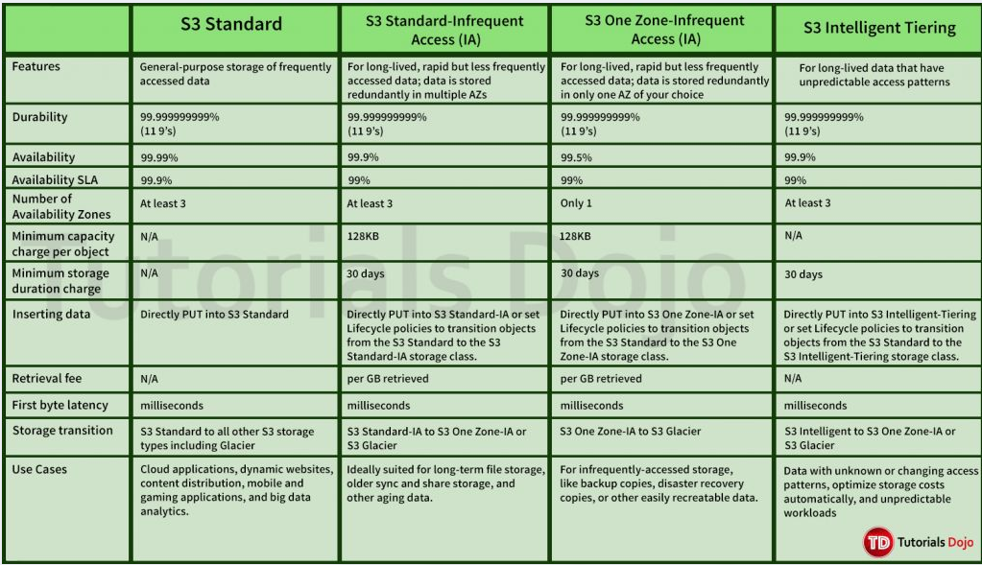

 | Feature | Application Load Balancer (ALB) | Network Load Balancer (NLB) | Gateway Load Balancer (GWLB)
 | Layer | Layer 7 (HTTP/HTTPS) | Layer 4 (TCP/UDP) | Layer 3/4 (Transparent IP forwarding)
 | Routing type | Content-based routing (host/path/header/query) | IP/Port-based routing | IP-based routing for traffic inspection
 | Protocol Support | HTTP, HTTPS, gRPC (via HTTP/2) | TCP, UDP, TLS (TLS termination optional) | TCP/IP
 | Use Case | Web applications, microservices, REST/gRPC APIs | Low-latency, high-throughput apps, IoT, gaming | Inline traffic inspection: firewalls, IDS/IPS, DPI
 | IP Preservation | No (unless X-Forwarded-For is used) | Yes | Yes (uses Geneve encapsulation)
 | TLS Termination | Supported | Optional | Not applicable
 | Health Checks | HTTP/HTTPS | TCP/HTTP/HTTPS | GWLB-specific health checks
 | Integration | AWS WAF, Cognito, Auth, Redirects | Global Accelerator, cross-zone load balancing | 3rd-party appliances (e.g., Palo Alto, Fortinet)
 | Scalability | Automatically scales with request volume | Scales for millions of requests per second | Automatically scales with appliance demand
 | Target Types | IPs, instances, Lambda | IPs, instances | VPC Endpoint Service + appliance ENIs

 | Feature / Gateway Type | File Gateway | Volume Gateway | Tape Gateway
 | Use Case | NFS/SMB file-based access to S3 | iSCSI block storage for on-premises apps | Backup/archiving with virtual tape libraries
 | Storage Type | Files (stored as objects in S3) | Block volumes (backed by S3 snapshots) | Virtual tapes (VTL stored in S3 & Glacier)
 | Access Protocols | NFS / SMB | iSCSI | iSCSI (for tape libraries)
 | Cache On-Premises? | Yes | Yes | Yes
 | Cloud Storage Backend | Amazon S3 | Amazon S3 + EBS Snapshots | Amazon S3 (active tapes) + Glacier (archived tapes)
 | Snapshot Support | No | Yes (via EBS snapshots) | No
 | Primary Use | File share & object archive | Block storage with snapshot & DR support | Tape backup replacement
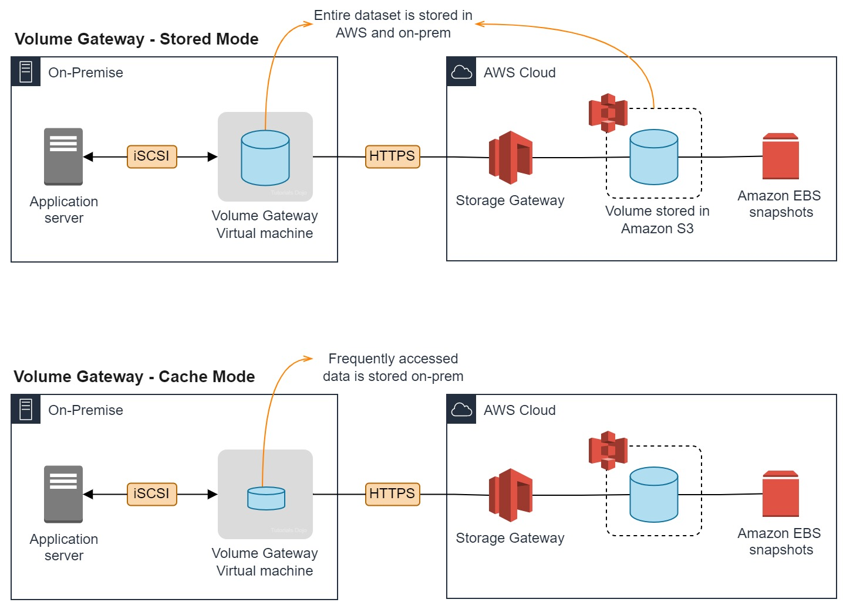
 | Integration With Backup Tools | Limited (can use AWS Backup) | Yes | Yes (e.g., Veeam, NetBackup, etc.)
 | Common Scenario | Lift & shift file apps to AWS, analytics | Backing on-prem apps like SQL, Oracle | Replace tape infrastructure for backups

 | Cached Volume vs Stored Volume – Comparison Table
 | Volume Gateway Feature | Cached Volumes | Stored Volumes
 | Primary Storage | Amazon S3 (cloud-first) | On-premises disk (local-first)
 | Local Disk Usage | Used as a cache for frequently accessed data | Stores entire dataset locally
 | Cloud Sync | Frequently used data cached locally, rest in S3 | Async snapshot backups to S3
 | Performance | Higher latency (since data is fetched from S3) | Low latency (local access to all data)
 | Disaster Recovery | Quick recovery using cloud-stored data | Snapshots available for DR
 | Best For | Large datasets with limited local storage | Low-latency access required for full dataset
 | Storage Scaling | Scales easily in S3 | Limited by on-premises storage capacity
 |  | Use Cached Volumes if your local disk is limited but you need access to larger datasets stored in the cloud. | Use Stored Volumes when low-latency access to the entire dataset is required and you have sufficient local disk.

 | Feature | Interface VPC Endpoint for S3 | Gateway VPC Endpoint for S3
 | Endpoint Type | ENI-based, requires a Network Interface | Gateway-based, no need for ENI
 | Traffic Type | Supports private IP traffic for specific VPC endpoints | Supports traffic for entire S3 service (not specific buckets)
 | Service Integration | Primarily for services such as S3, DynamoDB, etc., that require VPC IP address routing | Primarily for AWS S3, supports VPC traffic only
 | Supported Protocols | Supports HTTPS, TCP | Supports HTTP and HTTPS protocols
 | Scaling | Limited to bandwidth of ENIs associated with the instance | Automatically scales with no manual intervention required
 | Cost | Higher cost due to per-GB data processing and ENI usage | Lower cost, no charge for data processing or using the gateway
 | Use Case | Ideal for applications that need access to specific S3 buckets with granular access control | Best suited for general access to S3 without need for individual bucket access
 | Security | Offers tighter access control for specific applications using Security Groups and NACLs | Uses VPC route table for access control to all S3 traffic
 | IP Addressing | Uses IP addresses in the private IP address space of your VPC | No need for additional IP addresses, uses VPC route tables
 | S3 Access | Provides direct access to a specific VPC endpoint for S3, can route traffic from specific VPCs | Routes all traffic from VPCs to S3 without extra overhead
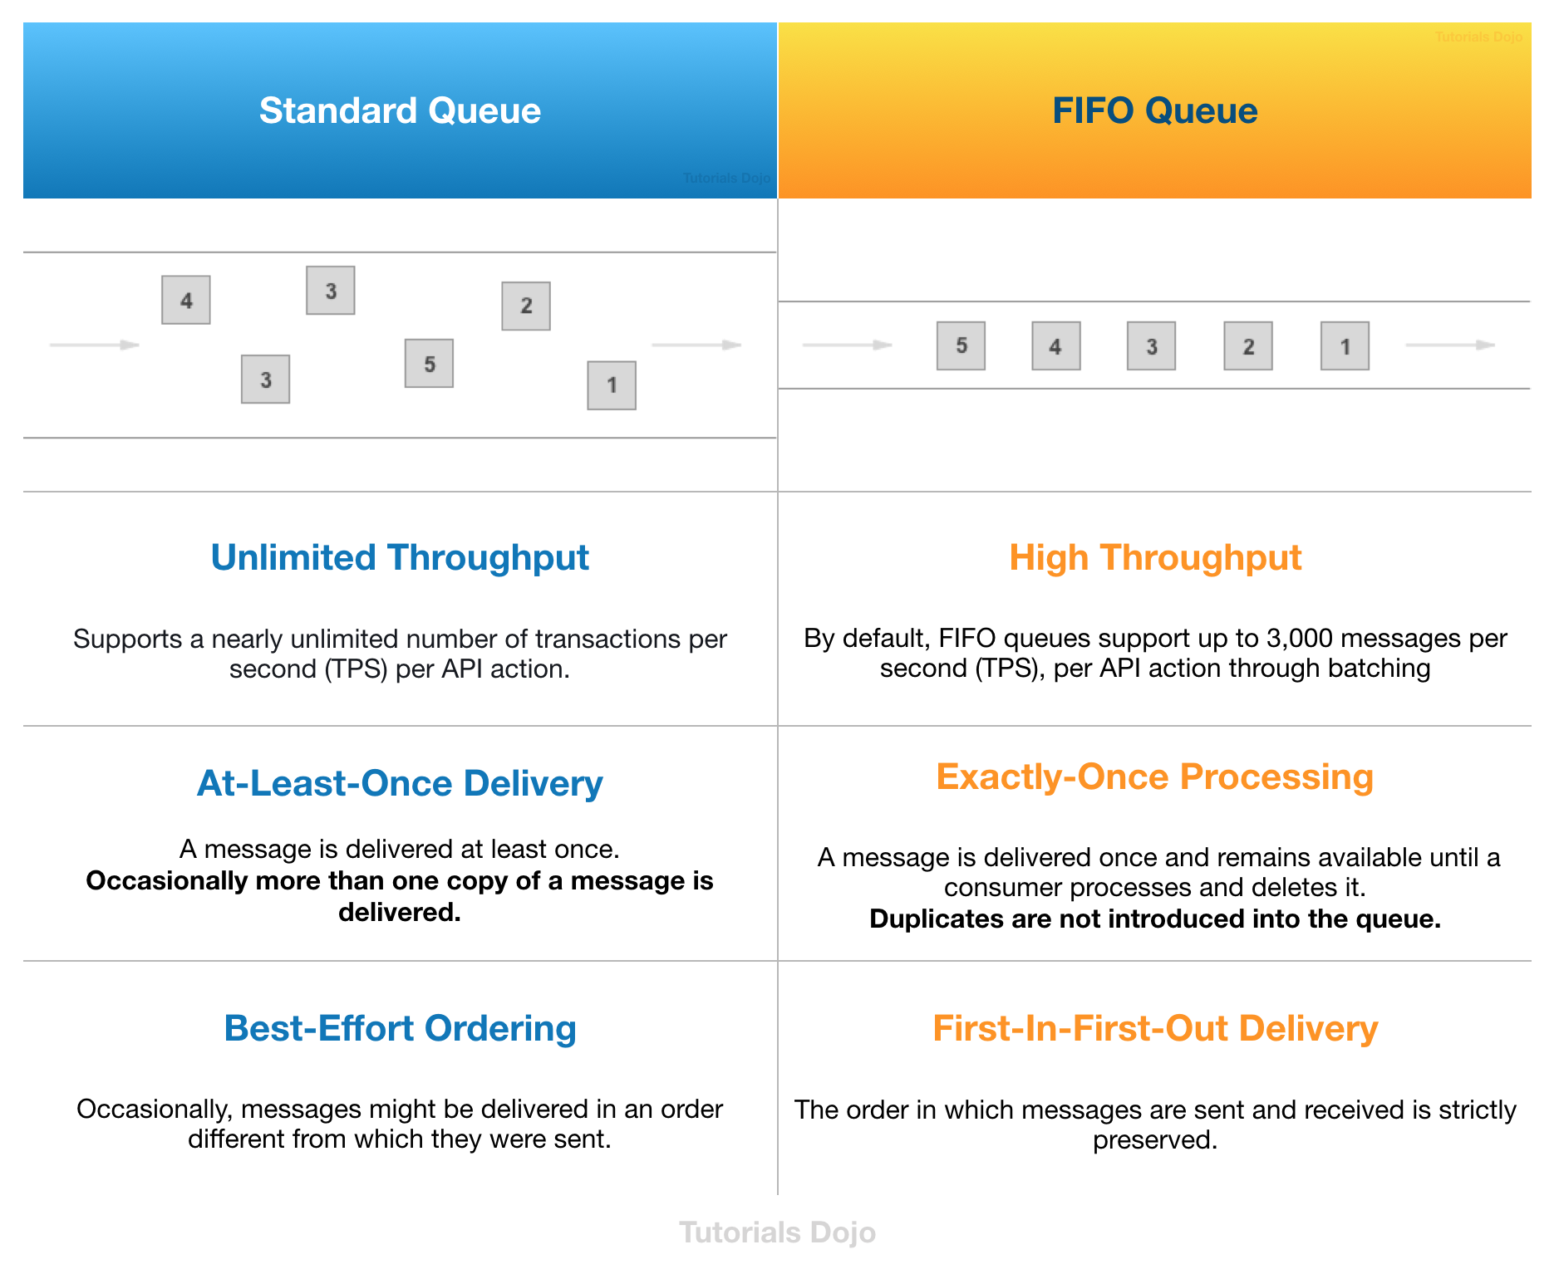

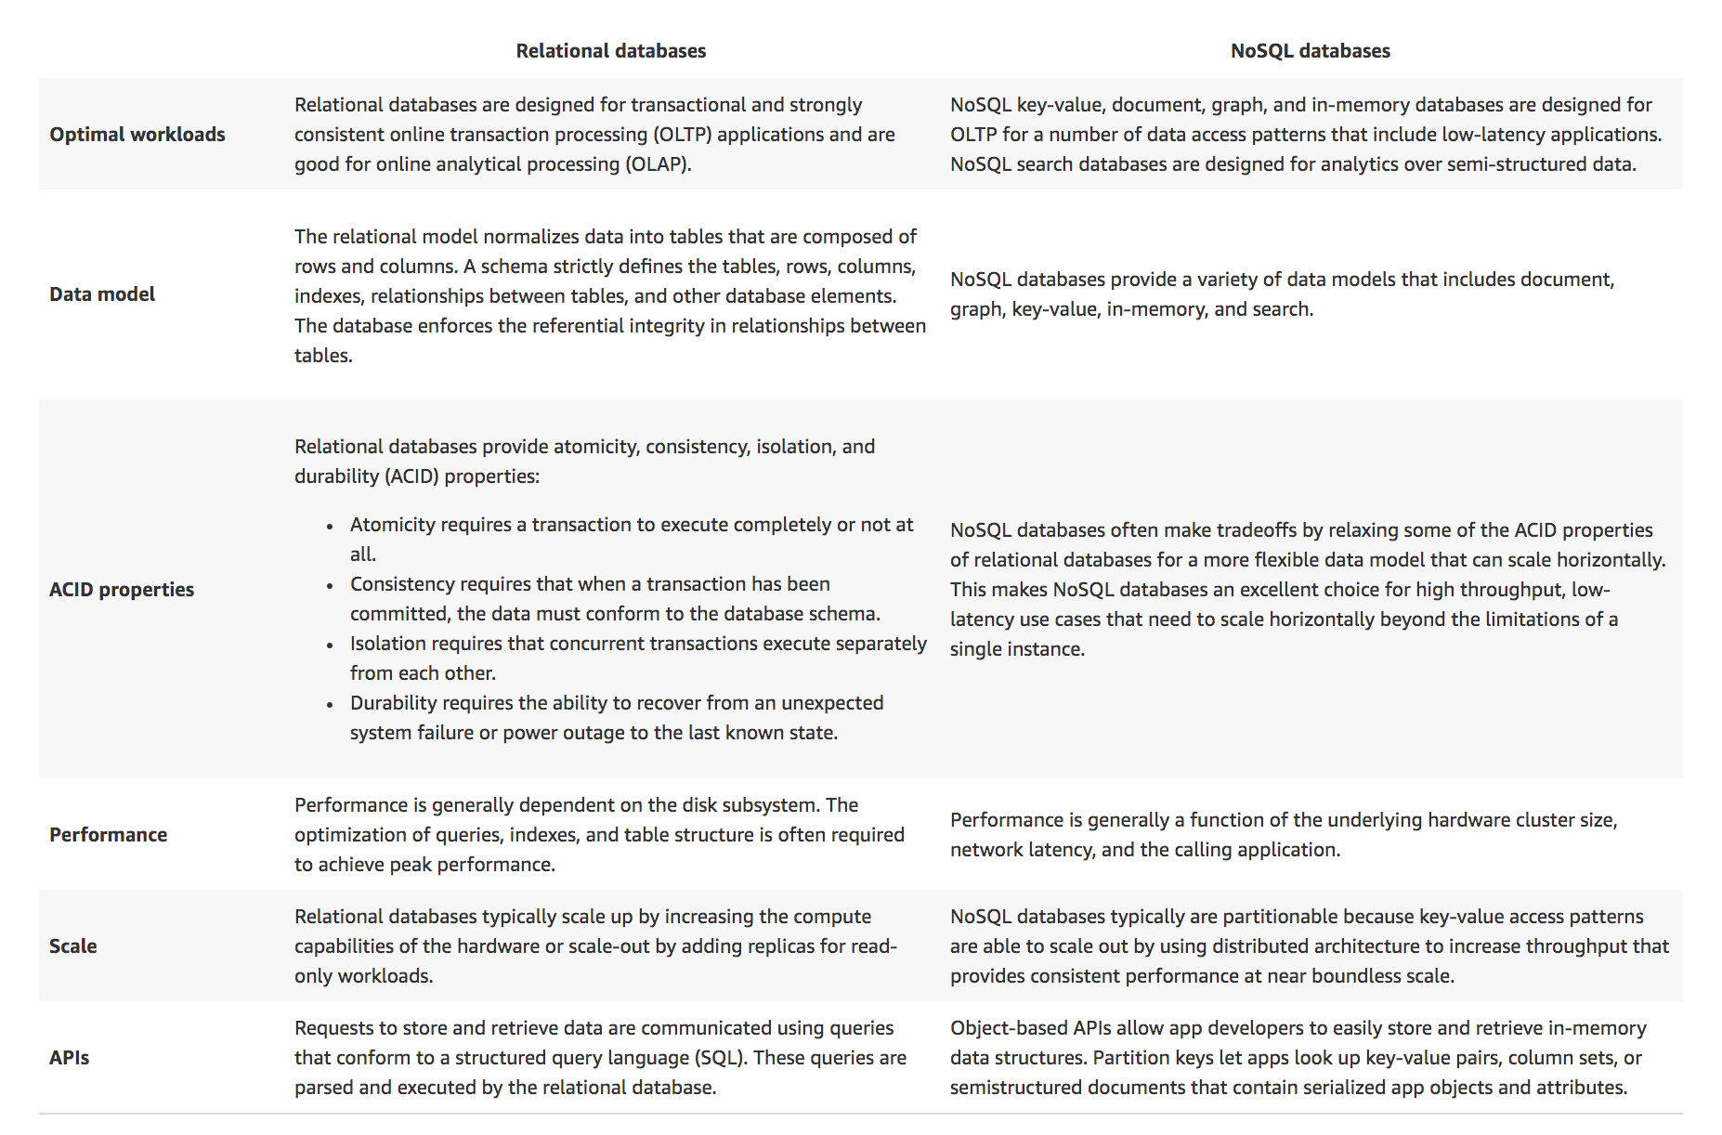

 | Component | Function | Scaling Method | Use Case
 | Cluster Autoscaler | Scales EC2 instances (nodes) in the Auto Scaling group | Based on resource requirements (CPU, memory) of pods | Adds/removes EC2 instances based on pod requirements
 | Horizontal Pod Autoscaler (HPA) | Scales the number of pods in a deployment | Based on CPU utilization or custom metrics | Automatically scales pods based on load
 | Vertical Pod Autoscaler (VPA) | Adjusts resource requests/limits for pods | Based on observed CPU/memory usage of containers | Dynamically adjusts pod resource allocation
 | Managed Node Groups | Manages EC2 worker nodes for the Kubernetes cluster | Scales EC2 instances up or down as needed | Simplifies the management and scaling of worker nodes
 | EKS Fargate | Serverless compute for running pods | Automatically scales compute resources as needed | No need to manage EC2 instances, suitable for small workloads
 | Predictive Scaling | Scales EC2 instances ahead of time based on predictive analytics | Based on traffic prediction and machine learning | Proactively adjusts capacity before expected demand increases

VPC
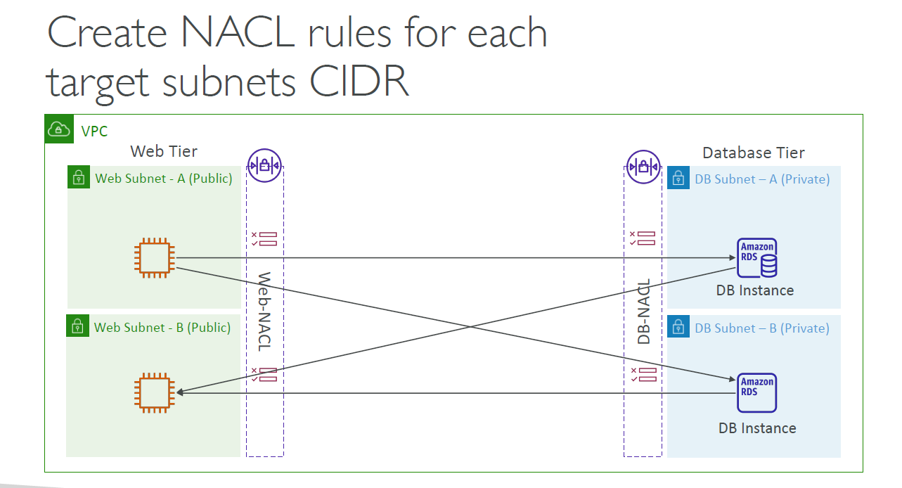
NAT Instance vs NAT Gateway | Aspect | NAT Instance | NAT Gateway
 | Type | EC2 instance configured to perform NAT | Managed AWS service
 | Availability | Single instance unless manually configured for HA | Highly available across AZs (managed by AWS)
 | Scaling | Manual (change instance type or add autoscaling) | Automatically scales to handle traffic
 | Performance | Limited by instance type and network bandwidth | High throughput (up to 100 Gbps)
 | Maintenance | Manual (patching, monitoring, failover setup) | Fully managed by AWS
 | Elastic IP Required | Yes | Yes
 | Security Groups | ✅ Yes - Supported (since it's an EC2 instance) | ❌ No - Not supported (uses route tables)
 | Cost | EC2 instance cost + data transfer | Per-hour fee + data transfer
 | Use as Bastion Host ? | ✅ Yes | ❌ No
 | Use Cases | - Low-cost, low-throughput use cases - Custom software required - Traffic inspection | - Scalable, high-throughput - Simplified management - Production environments
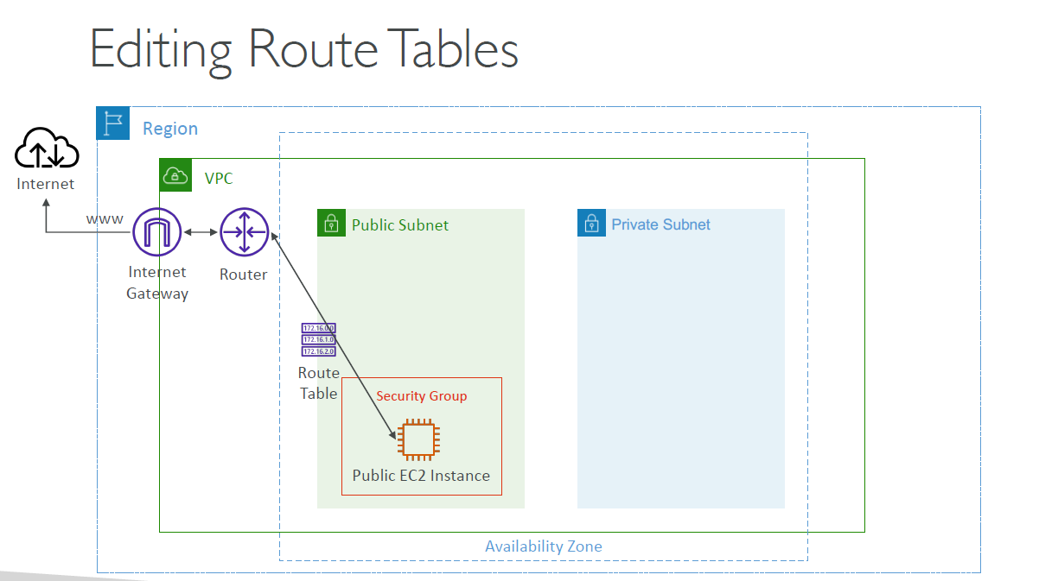

Internet Gateway - Overview | Aspect | Description
 | Definition | A horizontally scaled, redundant, and highly available VPC component that allows communication between instances in your VPC and the internet.
 | Purpose | Enables internet access for resources in a public subnet.
 | Attachment | One IGW per VPC; must be attached to the VPC to function.
 | Routing | Requires route table entries pointing 0.0.0.0/0 → IGW.
 | Elasticity | Highly available, scales automatically to handle traffic.
 | Cost | Free to use (no hourly cost); only data transfer charges apply.
 | Security | Security controlled via Security Groups and Network ACLs.

Internet Gateway - Use Case | Use Case | How IGW Helps
 | Hosting a public website on EC2 | Enables public users to reach your EC2 web servers.
 | Allowing EC2 instances to download software/updates | Provides internet egress for EC2 instances in public subnets.
 | Connecting to external APIs/services from EC2 | Allows outbound internet access for EC2 apps.
 | Supporting hybrid cloud use cases | Public-facing services while private subnets stay isolated.
 | Serving public static content | Makes static assets on EC2 or through a load balancer reachable over the internet.

Route Tables - Overview | Aspect | Description
 | Definition | A set of rules (routes) that determine where network traffic is directed within a VPC.
 | Scope | Associated with one or more subnets.
 | Default Route Table | Each VPC has a main route table by default.
 | Routing Target Types | Local, Internet Gateway (IGW), NAT Gateway, Transit Gateway, VPN, VPC Peering, Egress-only IGW
 | Default Rule | local — allows routing within the VPC’s CIDR block.
 | Custom Rules | Define how traffic is routed to/from subnets.
 | Granularity | Route Tables apply at subnet level, not per instance.
 | Key Usage | Helps define public, private, isolated, or hybrid connectivity models in a VPC.
 | Note | 1 Subnet → 1 Route Table, but a route table can be shared across multiple subnets.

Route Tables - Use Case | Use Case | How Route Table Helps
 | Public Subnet | Route 0.0.0.0/0 → Internet Gateway (IGW) for public internet access.
 | Private Subnet with Outbound Internet | Route 0.0.0.0/0 → NAT Gateway for private EC2 outbound access only.
 | Private Subnet without Internet (Isolated) | No 0.0.0.0/0 route → completely isolated subnet.
 | Hybrid Connectivity with VPN/Direct Connect | Route on-prem network prefixes → VPN Gateway / Direct Connect Gateway.
 | Cross-VPC Communication | Route peer VPC CIDR → VPC Peering connection.
 | Multi-region VPC connectivity | Route remote VPC CIDR → Transit Gateway.

Public Subnet Route Table | Destination | Target | Purpose
( For ALB, Bastion Hosts, Public EC2 ) | 10.0.0.0/16 | local | Internal traffic within the VPC
 | 0.0.0.0/0 | Internet Gateway (IGW) ( igw-xxxxxx ) | Outbound to Internet and accept inbound

Private Subnet Route Table | Destination | Target | Purpose
(For App Servers, Private EC2, DB Clients — Outbound Internet only) | 10.0.0.0/16 | local | Internal traffic within the VPC
 | 0.0.0.0/0 | NAT Gateway ( nat-gw-xxxxxxx ) | Outbound internet access only (no inbound)

Isolated Subnet Route Table | Destination | Target | Purpose
(For Databases, Internal Services — No Internet Access) | 10.0.0.0/16 | local | Internal traffic within the VPC
 | (No 0.0.0.0/0) | — | Fully isolated from Internet

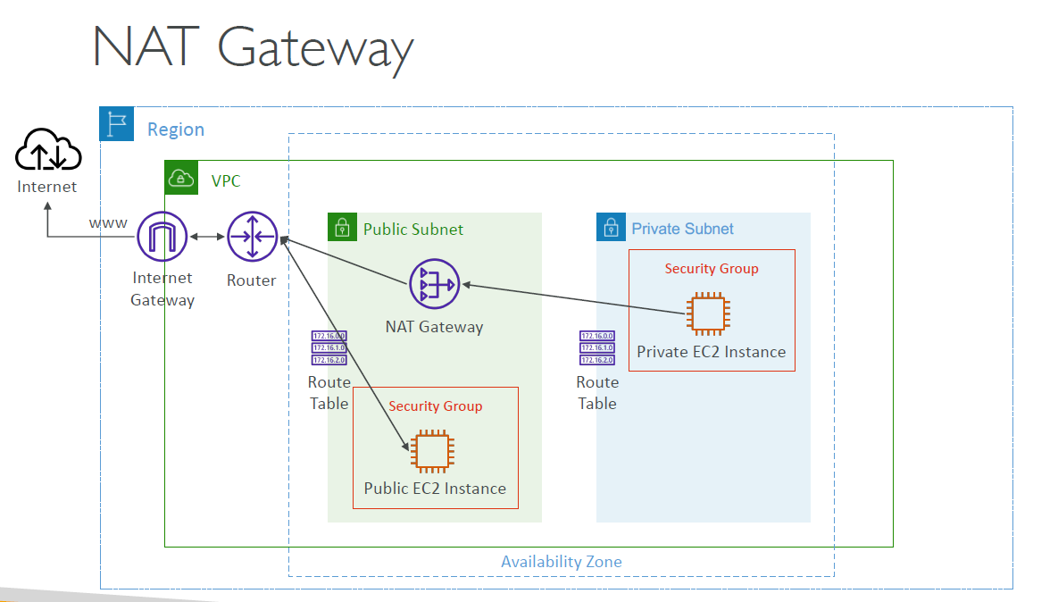
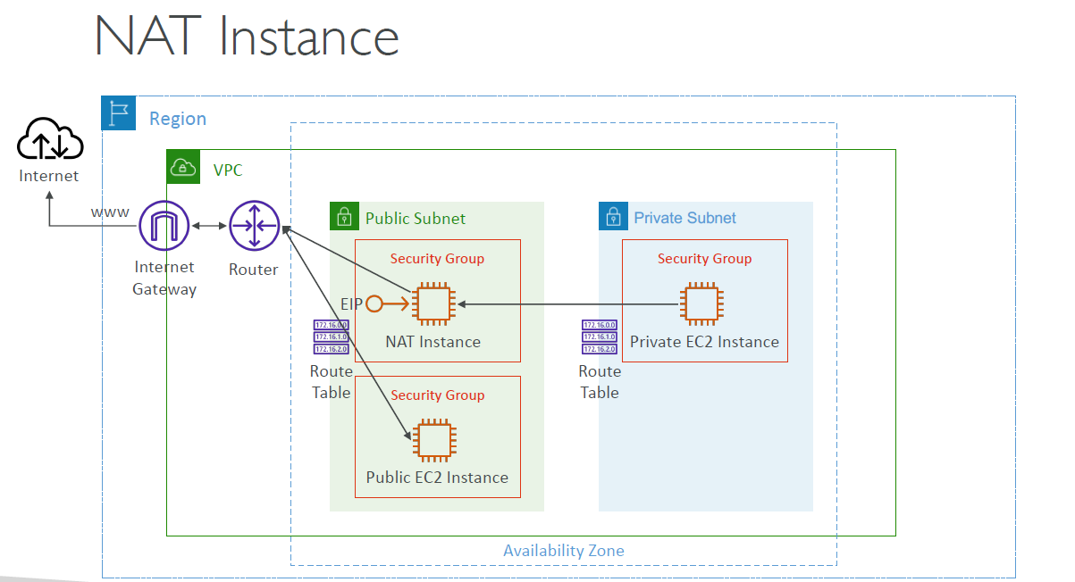

Internet Gateway vs NAT Gateway | Feature | Internet Gateway (IGW) | NAT Gateway (NGW)
 | Purpose | Allows public instances to access the internet and receive inbound traffic | Allows private instances to initiate outbound internet traffic (no inbound)
 | Attached To | VPC | Subnet (in a public subnet)
 | Use Case | Public-facing applications, like web servers | Private servers (e.g., DBs) needing internet for OS updates, package installs
 | Supports Inbound? | Yes (with correct security group + route setup) | No (only outbound connections are supported)
 | Elastic IP Needed? | Yes | Yes
 | High Availability? | Highly available across AZs (stateless) | Zonal service, deploy in each AZ for HA
 | Pricing | Free | Paid: per hour + per GB data processed
 | Example Scenario | IGW: EC2 instance in a public subnet hosting a website. | NGW: EC2 instance in a private subnet downloading patches or updates from the internet.

 | Use Case | Uses IGW? | Uses NAT Gateway? | Description
 | 1. Hosting a public web application | ✅ Yes | ❌ No | EC2 in public subnet needs inbound/outbound internet access via IGW
 | 2. Private backend servers installing updates | ❌ No | ✅ Yes | Private EC2 instances fetch OS patches using NGW; no inbound internet traffic
 | 3. Downloading software from the internet (e.g., yum) | ❌ No | ✅ Yes | Backend app server in private subnet uses NGW to install packages or SDKs
 | 4. Public-facing APIs or endpoints | ✅ Yes | ❌ No | API Gateway, ALB, or EC2 needs to be reachable over internet
 | 5. Analytics server uploading logs to S3 | ❌ No | ✅ Yes | Private server pushes data/logs to S3 over NGW without exposure to the public

Network ACLs (NACLs) - Overview | Aspect | Description
 | Definition | Network Access Control List — a stateless firewall at the subnet level.
 | Scope | Applies to all resources in the subnet.
 | Type | Stateless — return traffic must be explicitly allowed.
 | Rules | Allow and Deny rules supported.
 | Default Behavior | Default NACL allows all inbound and outbound traffic.
 | Evaluation Order | Rules evaluated in order of rule number; first match applies.
 | Granularity | Controls traffic at CIDR/IP level, port level, and protocol level.
 | Use Cases | - Block malicious IPs. - Implement subnet-level security. - Extra layer of protection beyond Security Groups.
 | Integration | Works in combination with Security Groups.
 | Logging | Use VPC Flow Logs for visibility (NACLs do not log by themselves).
 | Limits | Each subnet can be associated with one NACL.

Network ACLs (NACLs) - Use Cases | Use Case | Example
 | Block known malicious IP ranges | Add deny rule for certain CIDRs.
 | Public subnet protection | Allow only HTTP/HTTPS/SSH, deny all else.
 | Isolated subnet | Allow traffic only from trusted subnets.
 | Compliance | Enforce subnet-level deny rules for specific regions/IPs.

Public Subnet NACL Rules | Rule # | Direction | Protocol | Port Range | Source/Destination | Action | # Comment / Explanation
(for ALB, Bastion, public EC2) | 100 | Inbound | TCP | 80, 443 | 0.0.0.0/0 | Allow | Allow inbound HTTP/HTTPS from internet
 | 110 | Inbound | TCP | 1024-65535 | 0.0.0.0/0 | Allow | Allow inbound return traffic for outbound connections (ephemeral ports)
 | 120 | Outbound | TCP | 80, 443 | 0.0.0.0/0 | Allow | Allow outbound HTTP/HTTPS to internet
 | 130 | Outbound | TCP | 1024-65535 | 0.0.0.0/0 | Allow | Allow outbound client requests using ephemeral ports
 | Default | Inbound/Out | All | All | All | Deny | Block all other traffic not explicitly allowed

Private Subnet NACL Rules | Rule # | Direction | Protocol | Port Range | Source/Destination | Action | # Comment / Explanation
(Example: App Servers using NAT Gateway) | 100 | Inbound | TCP | 1024-65535 | NAT Gateway IP | Allow | Allow inbound return traffic from NAT Gateway (ephemeral ports)
 | 110 | Outbound | TCP | 80, 443 | 0.0.0.0/0 | Allow | Allow outbound HTTP/HTTPS to internet (via NAT Gateway)
 | 120 | Outbound | TCP | 1024-65535 | 0.0.0.0/0 | Allow | Allow outbound client requests using ephemeral ports
 | Default | Inbound/Out | All | All | All | Deny | Block all other traffic not explicitly allowed

Isolated Subnet NACL Rules | Rule # | Direction | Protocol | Port Range | Source/Destination | Action | # Comment / Explanation
(Example: Databases — No Internet) | 100 | Inbound | TCP | 3306 (MySQL) / 5432 (Postgres) | App Subnet CIDR | Allow | Allow inbound DB traffic only from App servers in Private subnet
 | 110 | Outbound | TCP | 3306 / 5432 / relevant | App Subnet CIDR | Allow | Allow outbound DB responses to App servers
 | Default | Inbound/Out | All | All | All | Deny | Block all other traffic not explicitly allowed

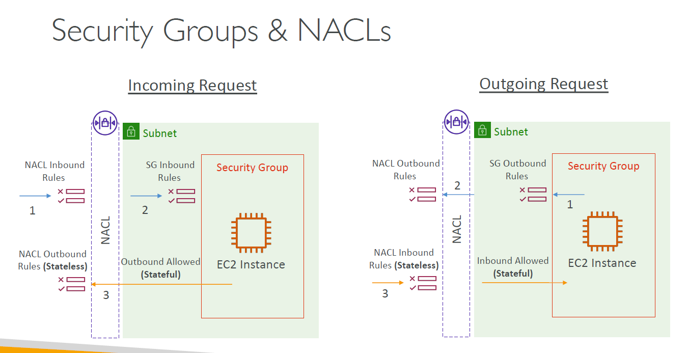
Security Groups vs Network ACLs (NACLs) | Aspect | Security Group (SG) | Network ACL (NACL)
 | Level of Control | Instance-level (attached to ENI of EC2, RDS, Lambda, etc.) | Subnet-level (applies to all traffic in/out of a subnet)
 | Statefulness | Stateful — Return traffic is automatically allowed | Stateless — Return traffic must be explicitly allowed
 | Default Behavior | All inbound denied, all outbound allowed | All inbound/outbound allowed unless modified
 | Rules | Allow rules only | Allow and deny rules supported
 | Evaluation Order | All rules evaluated; if any match, traffic allowed | Rules evaluated in number order; first match determines action
 | Applies To | Specific resources (EC2, RDS, Lambda ENIs) | All resources in a subnet
 | Logging | No built-in logging | VPC Flow Logs can be used with NACLs
 | Typical Use Cases | Fine-grained instance access control (e.g., EC2 firewall) | Coarse-grained subnet-level control (e.g., block CIDRs)
 | Management Complexity | Simple (attached per instance/ENI) | More complex to manage, especially in dynamic environments
 | Summary | Security Groups → Instance-level, stateful, allow-only → Primary control mechanism for most apps. Use Security Groups for instance-level control (stateful). | NACLs → Subnet-level, stateless, allow/deny → Used for extra control or compliance (rarely used alone). Use NACLs for subnet-level control and for explicit deny rules. ( stateless )

Use Cases | Security Groups | NACLs
 | Controlling web server ports (HTTP/HTTPS/SSH) access | Blocking malicious IP ranges at subnet level
 | Controlling database access to specific app servers | Enforcing network segmentation across subnets
 | Allowing only certain IPs to SSH into EC2 | Adding an explicit deny rule for known bad IPs

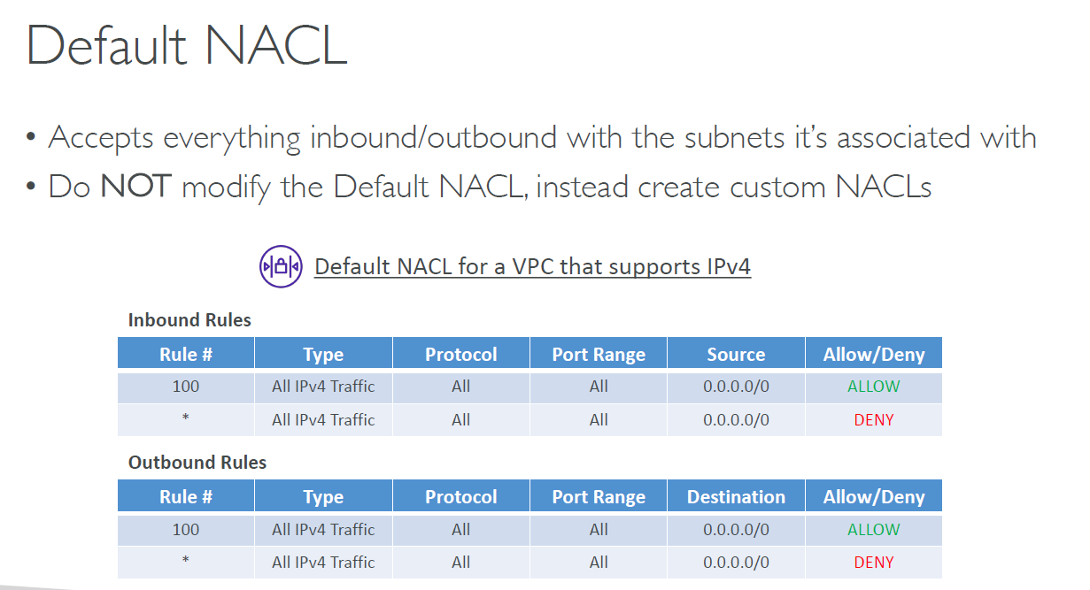

Ephemeral Ports Overview | Aspect | Description
 | Definition | Temporary ports used by a client (EC2, browser, app) to initiate outbound connections.
 | Typical Port Range | OS dependent. Common default ranges: Linux: 32768–60999 Windows: 49152–65535
 | Purpose | Allows clients to receive responses from the server they connect to.
 | Example Scenario | EC2 instance connects to https://example.com (port 443), response returns to an ephemeral port.
 | How Used in AWS | Outbound traffic from VPC (via NAT Gateway, IGW, etc.) will use ephemeral ports for the client side.
 | Relation to Security Groups/NACLs | You must allow return traffic to ephemeral ports for outbound connections to succeed (NACLs especially).
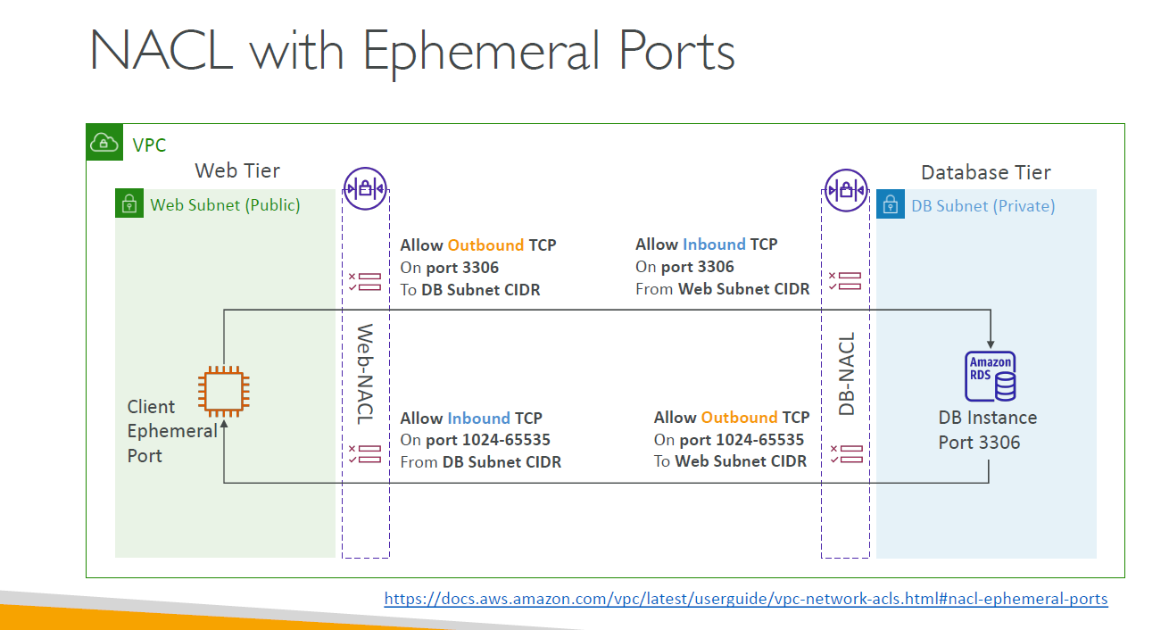
 | Stateless vs Stateful | Security Groups: stateful, so return traffic automatically allowed. NACLs: stateless, so must explicitly allow inbound ephemeral port range.

Ephemeral Ports - Use Cases | Use Case | Why Ephemeral Ports Matter
 | EC2 instance calling external API | Response arrives on ephemeral port.
 | Web browsing from EC2 instance | Response packets arrive on ephemeral ports.
 | NACL configuration | Must allow ephemeral inbound ports to match outbound traffic.

StorageExtras
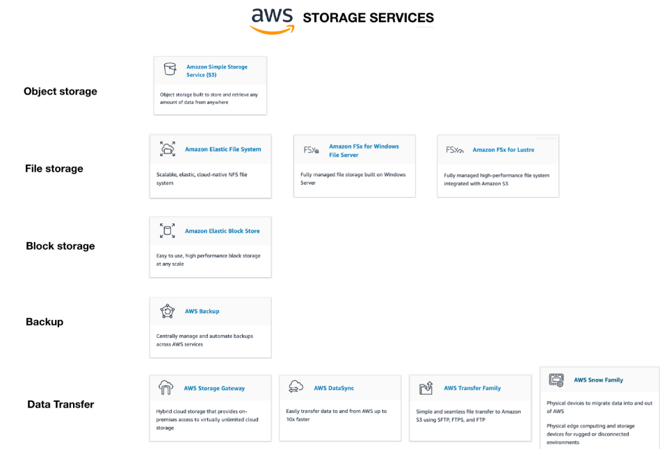

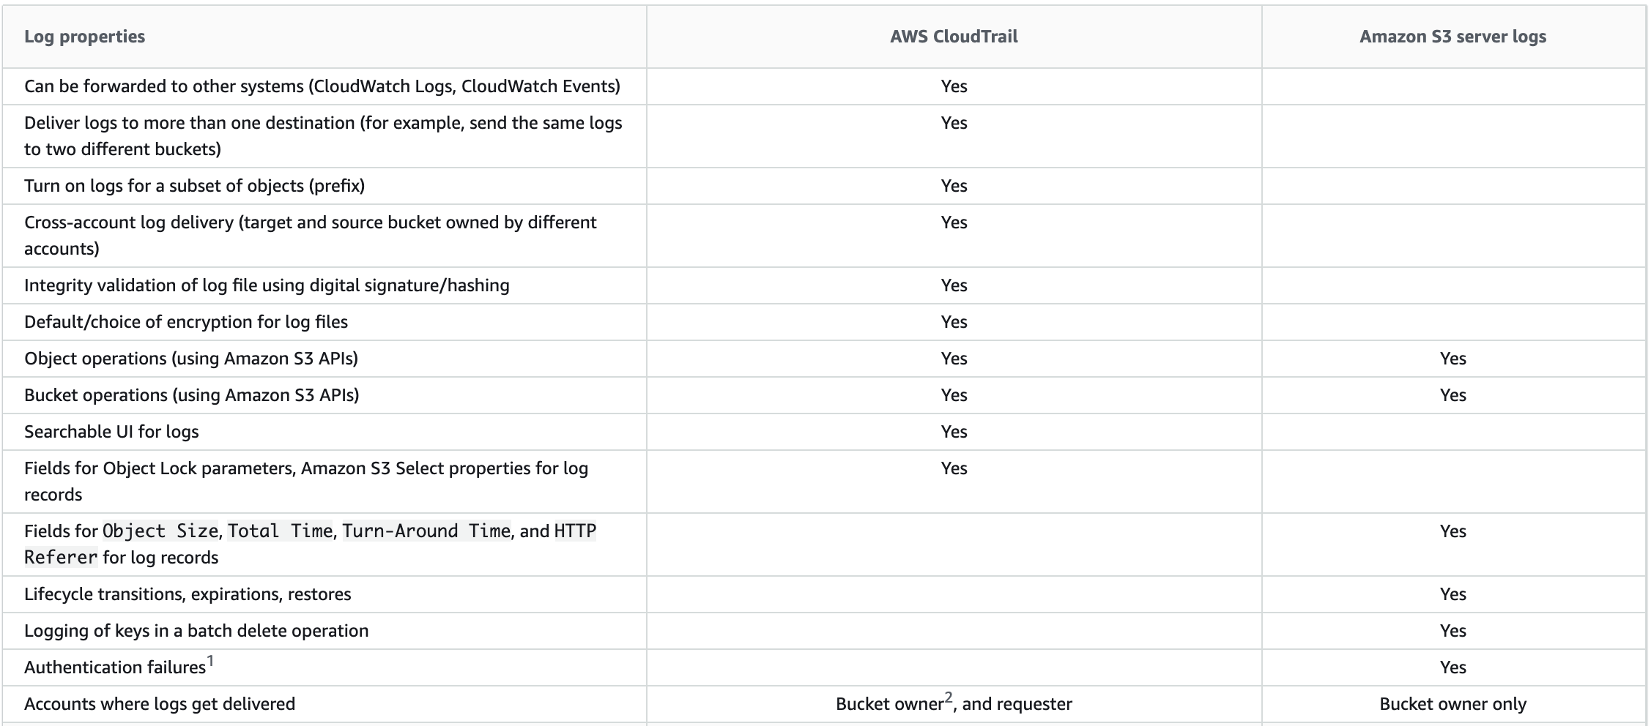

EC2 & EBS
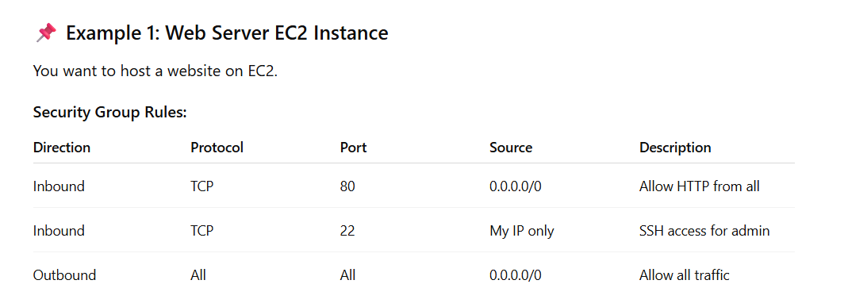
 | AWS Resources That Support Security Groups
 | Resource | Description
 | Amazon EC2 instances | Most common use case.
 | Elastic Network Interfaces (ENIs) | Can assign SGs directly to ENIs.
 | Amazon RDS (excluding RDS Custom) | For DB instance-level access control.
 | Amazon Aurora | Both primary and replicas.
 | Amazon ElastiCache (Redis & Memcached) | Only when in a VPC.
 | Amazon Redshift clusters | To control access to the cluster endpoint.
 | Amazon EMR (Master nodes) | Via attached EC2 instances.
 | Amazon ECS (EC2 launch type) | EC2 instances use SGs.
 | Amazon ECS (Fargate) | Security groups apply to ENIs provisioned by Fargate.
 | Amazon EFS Mount Targets | SGs control access to mount targets.
 | AWS Lambda (in VPC) | ENIs provisioned for the Lambda function get SGs.
 | AWS App Runner | If connected to a VPC via a VPC connector.
 | AWS Transfer Family (SFTP/FTPS/FTP) | When associated with a VPC endpoint.
 | NAT Gateway | SGs do not apply directly; access is controlled via routes and NACLs.
 | VPC Endpoints (Interface type) | SGs control access to the endpoint itself.
 | AWS Elastic Load Balancers (ALB, NLB) | SGs are attached to ALB and interface-type NLB (not classic NLB).

 | AWS Resources that do NOT Support Security Groups
 | Service / Resource | Reason / Explanation
 | Amazon S3 (Standard Buckets) | S3 is a global service (not tied to a specific VPC); access is controlled by IAM policies, bucket policies, and ACLs, not SGs.
 | Amazon DynamoDB | It’s a managed NoSQL service that is accessed over the internet or via VPC endpoints. Access control is handled by IAM and resource policies, not SGs.
 | Amazon CloudFront | It's an edge service, globally distributed and doesn't live inside a VPC; access is controlled via WAF, signed URLs, and origin policies.
 | Amazon Route 53 | It's a DNS service, also globally scoped and outside VPC boundaries. Uses IAM for access control.
 | AWS Lambda (if not in VPC) | Default Lambda runs outside VPC, so SGs don’t apply unless VPC access is explicitly configured.
 | Amazon SNS / Amazon SQS | These are regional, managed services that use IAM policies and resource-based policies for access control, not SGs.
 | Amazon RDS Custom | You manage the OS, but AWS doesn’t allow direct SG attachment; instead, you configure access via host-level firewalls and IAM-based DB authentication.
 | AWS Glue (by default) | Glue jobs often run in a managed environment outside VPC unless configured otherwise. No SGs unless you assign jobs to a VPC.
 | Amazon API Gateway | It’s an edge service with IAM, resource policies, and CORS controls, not SGs.
 | AWS KMS | It’s a control plane service. No network exposure, access is managed entirely through IAM and key policies.
 | Amazon CloudWatch | It's a regional monitoring service, and does not operate inside a VPC, so SGs do not apply.
 | Elastic Beanstalk (platform) | Beanstalk environments use EC2 and RDS, which support SGs, but the platform service itself does not attach SGs.

 | EC2 Instance Connect vs AWS Systems Manager Session Manager
 | Feature | EC2 Instance Connect | Session Manager (SSM)
 | Access Type | Browser-based SSH | Browser-based CLI session via SSM
 | Agent Required | No (uses SSH daemon) | Yes (requires SSM Agent installed & running)
 | Port Requirements | Port 22 (SSH) must be open | No need to open any inbound ports
 | Key Pair Required | Yes (for EC2 SSH-based access) | No key pair needed
 | IAM Permission Required | Yes (ec2-instance-connect:SendSSHPublicKey) | Yes (ssm:StartSession, ssm:SendCommand, etc.)
 | OS Support | Amazon Linux, Ubuntu, RHEL (limited support) | Broad OS support (Windows, Linux)
 | Auditing via CloudTrail | Limited | Detailed logs and session recordings possible
 | Private Subnet Access | Requires Bastion or VPN | Works over SSM without need for network access
 | Multi-Account Setup | Not natively supported | Supports cross-account access using SSM setup
 | Best For | Quick SSH from browser | Secure, auditable, agent-based shell access
 | Use Cases | Quick access for troubleshooting public EC2 instances. Temporary SSH access without storing SSH keys locally. | Access to private instances without opening port 22. Enhanced auditing and compliance. Keyless, secure operations in regulated environments.

 | AWS Instance Profile
 | Aspect | Details
 | Definition | A container for an IAM role that allows EC2 instances to obtain temporary credentials and access AWS services securely without storing credentials on the instance.
 | Purpose | Enables an EC2 instance to access AWS services securely using the assigned IAM role.
 | Associated With | Only EC2 instances (used to associate IAM roles with EC2).
 | Relationship to Role | One instance profile contains one IAM role. An IAM role must be attached via a profile.
 | How It's Created | - Automatically when assigning a role to an EC2 via console. - Manually via CLI/IAM.
 | Where It's Used | - aws ec2 associate-iam-instance-profile command - EC2 launch/modify configuration
 | Security Benefits | No long-term credentials on EC2; uses temporary, automatically rotated credentials.
 | Scope of Use | Can only be attached to one EC2 instance at a time (but same role can be used in multiple profiles).
 | Limitations | One IAM role per profile, per instance. Profiles are EC2-specific—not used for Lambda, etc.
 | Use Case | Description
 | Access S3 from EC2 | Use instance profile with a role that allows s3:PutObject, s3:GetObject.
 | Access Secrets Manager | EC2 uses an instance profile with permissions to retrieve secrets securely.
 | Publish logs to CloudWatch Logs | EC2 app sends logs using temporary credentials via instance profile permissions.
 | Call AWS APIs (e.g., DynamoDB, SNS) | Applications on EC2 use the assigned IAM role credentials securely.

 | AWS Instance Role Overview
 | Aspect | Details
 | Definition | An IAM role that EC2 instances can assume to obtain temporary credentials for accessing AWS services.
 | Purpose | Grants permissions to EC2 instances via temporary credentials to interact with other AWS resources securely.
 | How It's Assigned | Assigned to EC2 via an Instance Profile, either during launch or post-launch.
 | Policy Attachment | One or more IAM policies (inline or managed) define the permissions granted.
 | Credential Type | Uses temporary credentials managed and rotated automatically by AWS.
 | Best Practice | Principle of least privilege: only include permissions the instance truly needs.
 | Scope | Instance Role is not EC2-specific — similar roles can be used for Lambda, ECS, etc.
 | Rotated Automatically | Yes — AWS handles the credential rotation internally.
 | Use Case | Description
 | Backup to S3 | Role grants EC2 permission to write backups to S3.
 | Fetch from Secrets Manager | Role allows EC2 app to securely fetch secrets (no hardcoding credentials).
 | Send logs to CloudWatch | Role gives EC2 permission to push logs to CloudWatch Logs.
 | Access RDS | Role provides access to query databases via IAM-based auth (e.g., Aurora IAM auth).
 | Connect to DynamoDB or SQS | Role includes permissions like dynamodb:GetItem or sqs:SendMessage.

 | EC2 Purchase Options - Comparision
 | Option | Billing | Commitment | Flexibility | Use Cases
 | On-Demand | Per second/minute (depending on OS) | None | High – launch/terminate anytime | Dev/test, unpredictable workloads, short-term use
 | Reserved Instances | Up to 75% off On-Demand | 1 or 3 years | Lower – instance type/region specific | Steady-state workloads, long-term use e.g database
 | • Standard RIs | Up to 72% off | 1 or 3 years | Limited – no instance family change | Stable, predictable workloads
 | • Convertible RIs | Up to 66% off | 1 or 3 years | Moderate – allows instance family change | Workloads with changing needs over time
 | Savings Plans | Up to 72% off | 1 or 3 years | Flexible – applies to EC2, Fargate, Lambda | Versatile across compute options
 | • Compute SP | Any instance, region, OS |  | Very flexible | Great for dynamic needs
 | • EC2 Instance SP | Specific instance family/region |  | Less flexible | Known, consistent usage
 | Spot Instances | Up to 90% off | None | Can be terminated with 2-min warning | Batch jobs, stateless, fault-tolerant apps
 | Dedicated Hosts | Per host | Optional reservation | EC2 on physical server (compliance) | Licensing, regulatory compliance, BYOL scenarios
 | Dedicated Instances | Per instance | None | Run on isolated hardware | Same as above, but less control than hosts
 | Capacity Reservations | Pay only when used | Optional term | Reserve capacity in specific AZ | Ensure availability for critical workloads

 | Dedicated Instances vs Dedicated Hosts
 | Aspect | Dedicated Instances | Dedicated Hosts
 | Definition | EC2 instances run on hardware dedicated to a single customer | Physical servers dedicated to one customer
 | Visibility & Control | No visibility into the underlying hardware | Full control over physical server, socket, core, VM placement
 | Licensing (BYOL) | Not suitable for Bring Your Own License (e.g., Windows, SQL Server) | Suitable – supports BYOL as you manage host-level licensing
 | Affinity / Placement | No control over instance placement | Supports affinity – you can place instances on specific hosts
 | Billing | Billed per-instance | Billed per-host, regardless of how many instances are running
 | Use Cases | Simple isolation for compliance | Compliance + license optimization + workload management
 | Resource Utilization | Less visibility, possibly underutilized hardware | Can optimize host utilization based on your instance packing
 | Capacity Planning | AWS manages placement | You manage capacity and instance placement

 | AWS Spot Fleet
 | Feature | Description
 | Definition | An Amazon EC2 Spot Fleet is a collection of Spot Instances—and optionally On-Demand Instances—that are managed as a single unit. AWS automatically launches and maintains the fleet to meet a specified capacity and price strategy.
 | Fleet Request | Define target capacity using instance types, pricing, and availability zones.
 | Instance Pools | Includes multiple instance types and AZs to improve availability and flexibility.
 | Spot & On-Demand Mix | You can mix Spot and On-Demand instances in the fleet.
 | Allocation Strategy | Choose between lowestPrice, diversified, capacityOptimized, or price-capacity-optimized.
 | Automatic Replacement | Replaces terminated instances to maintain desired capacity.
 | Scaling | Supports scheduled or manual scaling.
 | Use Cases | High-performance computing (HPC) Big data analytics (e.g., Spark, Hadoop) Batch processing (e.g., video rendering) Large-scale containerized workloads (e.g., ECS/EKS with Spot)
 | Example Use | You want 100 vCPUs for a machine learning workload. A Spot Fleet request could be configured to: - Use a mix of c5.large, m5.large, and r5.large - Target 100 vCPUs - Choose the cheapest capacity across multiple Azs


 | AWS Spot Fleet - Allocation Strategy
 | Allocation Strategy | Description | Best For | Trade-offs / Notes
 | lowestPrice | Prioritizes instances from the pool with the lowest Spot price. | Cost-sensitive workloads | May lead to less stability due to frequent interruptions.
 | diversified | Distributes instances evenly across all specified pools. | Fault-tolerant, long-running apps | More resilient, but not cost-optimized.
 | capacityOptimized | Chooses pools based on highest available capacity, minimizing interruption risk. | Stable workloads needing high uptime (e.g., data processing) | May use slightly costlier pools for better reliability.
 | price-capacity-optimized (recommended) | Combines price and capacity to select the most cost-effective, stable pool. | Balanced performance and cost use cases | AWS default strategy for many modern workloads.

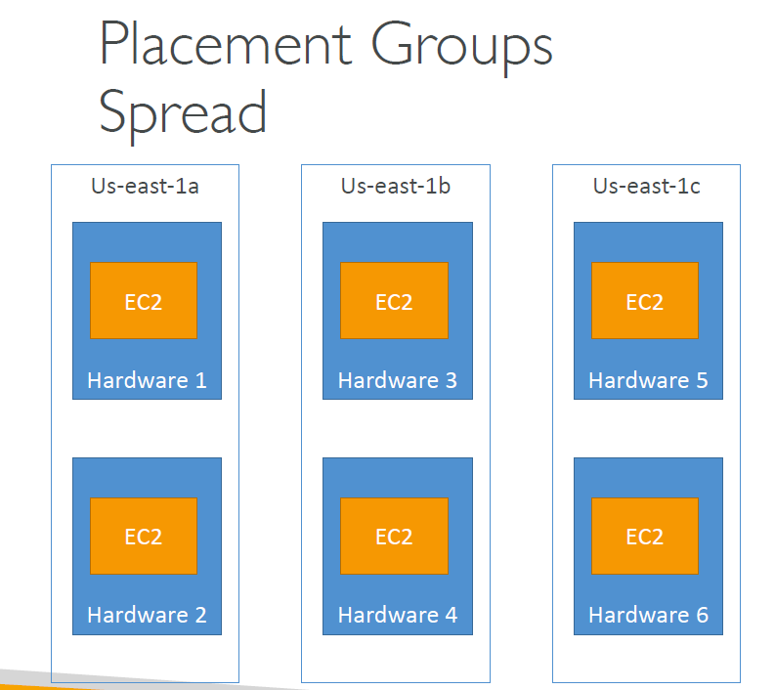
 | ✅ Services That Support Elastic IPs:
 | Service | How EIP is Used
 | Amazon EC2 | Attach an EIP to a running instance in a public subnet.
 | Amazon NAT Gateway | Requires an EIP for internet access. One EIP per Availability Zone.
 | Amazon Network Load Balancer | Can be associated with static EIPs for each subnet.
 | AWS Global Accelerator | Uses AWS-managed static IPs (not EIPs), but for similar use cases.
 | AWS App Runner (private VPC) | If configured with VPC connector using NAT Gateway (indirect EIP use).
 | AWS VPN Gateway / Client VPN | Uses EIPs when customer gateway is behind NAT or requires static IP.

 | ❌ Services That Do Not Directly Support EIPs:
 | Service | Why Not
 | Application Load Balancer | Uses DNS names, not static IPs.
 | Amazon S3 / DynamoDB | Accessed via public DNS endpoints or VPC endpoints, not IP-based.
 | Lambda / Fargate | No EIP unless attached to a NAT Gateway in VPC.
 | RDS / Aurora | Uses DNS; no direct support for static EIPs.

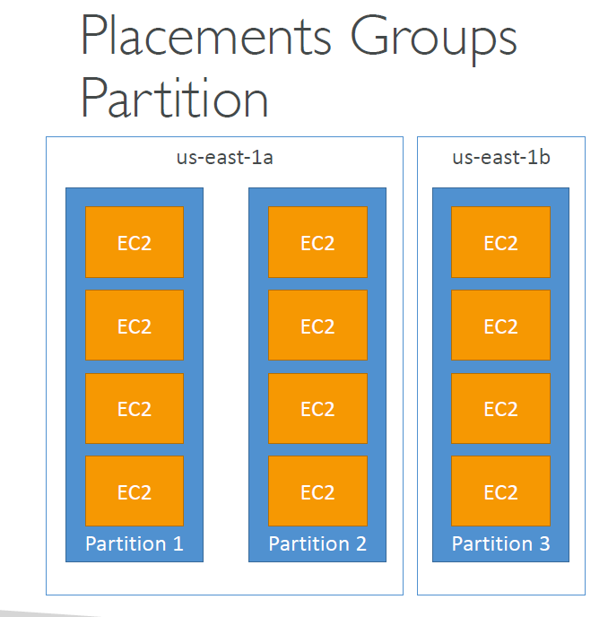
 | EC2 Placement Groups
 | Placement Strategy | Description | Use Cases | Key Notes
 | Cluster | Launch instances close together in a single AZ | Low-latency HPC, tightly coupled workloads | Best for high network throughput; not fault-tolerant
 | Partition | Divides instances across logical partitions (each mapped to distinct hardware) | Big Data (e.g., Hadoop, Cassandra), fault isolation | Fault-tolerant; partitions reduce blast radius
 | Spread | Places instances across distinct hardware (max 7 per AZ) | Small, critical workloads needing isolation | Highly available; limited number of instances per AZ

 | EC2 Placement Groups: Advantages & Disadvantages
 | Strategy | Advantages | Disadvantages
 | Cluster | ✅ Low-latency communication between instances ✅ High network throughput (up to 100 Gbps) ✅ Ideal for tightly coupled HPC workloads | ❌ Limited to a single Availability Zone (not fault-tolerant) ❌ Instance launches may fail if not enough capacity in AZ ❌ Not suitable for HA applications
 | Partition | ✅ Fault isolation – each partition on separate racks ✅ Recommended for large distributed systems like Hadoop, HDFS, Cassandra ✅ Scales to thousands of instances | ❌ More complex to manage – you need to map partitions ❌ Doesn't guarantee lowest latency between partitions
 | Spread | ✅ Maximum fault tolerance – each instance on distinct hardware ✅ Works across multiple AZs ✅ Ideal for small, critical workloads needing isolation | ❌ Limited to 7 instances per AZ ❌ Not suitable for high-throughput or tightly-coupled systems ❌ May experience launch failures in limited capacity situations

 | Elastic Network Interface (ENI)
 | Aspect | Details
 | Definition | A virtual network interface that you can attach to an EC2 instance in a VPC. It represents a logical network adapter.
 | Key Components | - Primary private IPv4 address (mandatory) - Secondary private IPv4 addresses (optional) - One Elastic IP (IPv4) (optional) - One or more security groups - MAC address - Source/destination check flag - Device index (primary: 0, secondary: >0)
 | Key Notes | -Default number of ENIs per instance depends on instance type. -Secondary ENIs can be attached/detached dynamically on running instances (except primary ENI). -Primary ENI is created when EC2 is launched and can’t be detached. -Primary ENI (eth0) is always created and attached at launch. -You can attach secondary ENIs (eth1, eth2, etc.) post-launch. -Limits also depend on instance size and family—larger instances allow more ENIs. -Limits are soft for some instance types and can be increased via AWS Support for certain cases.
 | Use Cases | - Multi-NIC architecture (e.g., management and data plane separation) - High availability failover setups (move ENI between instances) - Attach/detach for quick recovery - Network appliances needing multiple IPs - Load balancer or NAT setups requiring multiple interfaces/IPs

 | Instance Type | vCPUs | Default ENIs | Private IPs per ENI | Total Private IPs
 | t3.micro | 2 | 2 | 2 | 4
 | t3.medium | 2 | 3 | 6 | 18
 | m5.large | 2 | 3 | 10 | 30
 | m5.2xlarge | 8 | 4 | 20 | 80
 | c5.9xlarge | 36 | 8 | 30 | 240
 | r5.24xlarge | 96 | 15 | 50 | 750
 | u-6tb1.metal (bare metal) | 448 | 15 | 50 | 750

 | Other Services that Use or Support ENIs
 | AWS Service | ENI Use | Description
 | NAT Gateway | ✅ Uses a managed ENI | ENI created in public subnet to route traffic from private subnet to internet.
 | AWS Load Balancer (NLB) | ✅ Uses ENIs | NLB creates one ENI per subnet for handling traffic.
 | Lambda (in VPC) | ✅ Uses ENIs | Lambda creates and manages ENIs to connect to VPC resources.
 | ECS Tasks (with awsvpc mode) | ✅ Uses ENIs | Each task gets its own ENI (provides task-level networking).
 | EKS (Kubernetes Pods) | ✅ Uses ENIs (with vpc-cni plugin) | Each pod can get an ENI for native VPC networking.
 | RDS/Aurora | ❌ No direct ENI attach | Uses internal networking; ENIs are not user-managed or visible.
 | Elastic File System (EFS) | ❌ No direct ENI attach | Mount targets are implemented via network interfaces, but they are managed by AWS.

 | Fast Snapshot Restore (FSR) - EBS Snapshot Feature
 | Aspect | Details
 | Definition | A feature that pre-initializes EBS snapshots in a selected AZ to allow low-latency access to volumes created from the snapshot.
 | Problem Solved | Avoids high-latency for the first read when volumes are created from snapshots (cold start issue).
 | How It Works | You enable FSR for a snapshot in specific AZs. AWS initializes the snapshot in the background, so volumes created from it are instantly ready.
 | Benefits | - Immediate performance - No latency spikes on first access - Suitable for mission-critical systems
 | Pricing | Charged per snapshot per AZ per hour (e.g., ~$0.75/hr, region-dependent).
 | Limitations | - FSR must be enabled in advance - Only specific snapshots and AZs covered - Adds cost if not used efficiently
 | Ideal Use Cases | - Auto Scaling groups using snapshot-based AMIs - Disaster recovery scenarios - Boot-time sensitive apps
 | Region Support | Available in all commercial AWS regions
 | Enable Methods | AWS Console, AWS CLI (modify-snapshot-attribute), SDKs
 | Use Case | Why FSR Helps
 | Auto-scaling with snapshot-based AMIs | Reduces launch time delays
 | Disaster recovery testing | Ensures fast recovery time objectives (RTO)
 | Boot-time sensitive applications | Avoids performance degradation

 | Amazon EBS Snapshot Archive:
 | Aspect | Details
 | Definition | A lower-cost storage tier for Amazon EBS snapshots meant for long-term retention and infrequent access.
 | Purpose | Store EBS snapshots you rarely need to access but must retain (e.g., compliance, historical backups).
 | How It Works | You move standard snapshots to the archive tier using archive_snapshot. Snapshots can be restored later by initiating a restore to the standard tier.
 | Restore Time | Restore requests typically take 24–72 hours to complete.
 | Cost | - Up to 75% cheaper than standard snapshots - Billed per GB/month - Separate charge for restores (data transfer and retrieval fees apply)
 | Limitations | - Cannot directly create a volume from archived snapshot - Must restore it to standard tier first - Not ideal for frequently accessed snapshots
 | Benefits | - Cost-effective long-term retention - Fully managed by AWS - Scales with your archive needs
 | Use Cases | - Regulatory & compliance data retention - Old project backups - DR snapshots stored beyond active usage
 | Enable Methods | AWS CLI (ebs archive-snapshot), SDKs, AWS Console
 | Region Support | Supported in most commercial AWS regions

 | Amazon EBS Snapshot Recycle Bin
 | Aspect | Details
 | Definition | A feature that allows you to recover accidentally deleted EBS snapshots within a retention period (up to 365 days).
 | Purpose | Prevent accidental deletion of snapshots by placing them in a temporary recovery state before permanent deletion.
 | How It Works | When a snapshot with an associated Recycle Bin retention rule is deleted, it enters the Recycle Bin. It can be restored or permanently deleted.
 | Retention Period | 1 to 365 days (configurable). After this period, the snapshot is permanently deleted and cannot be recovered.
 | Recovery Time | Immediate – snapshots in Recycle Bin can be restored instantly to their original state.
 | Cost | Standard snapshot storage charges continue to apply during the retention period. No additional cost for using Recycle Bin.
 | Benefits | - Accidental deletion protection - Quick recovery - Simple integration with lifecycle management
 | Limitations | - Only supports EBS snapshots (not volumes or AMIs directly) - Max 365 days retention
 | Use Cases | - Operational safety against manual or automation errors - Extra safety during major infra changes - Audit compliance scenarios
 | Enable Methods | AWS Console, AWS CLI (create-recycle-bin-rule), AWS SDK
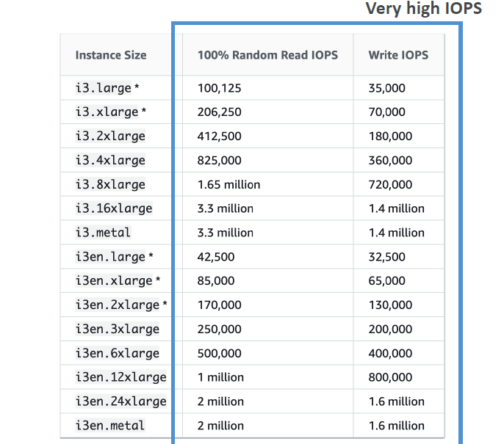
 | Region Support | Available in most commercial AWS regions

 | Amazon EC2 Instance Store
 | Aspect | Details
 | Definition | Instance Store provides temporary block-level storage for an EC2 instance, physically attached to the host computer.
 | Persistence | Non-persistent. Data is lost when the instance stops, terminates, or fails.
 | Use Case | Ideal for temporary storage such as buffers, caches, scratch data, or ephemeral logs.
 | Instance Type Support | Only available with specific instance families (e.g., c5d, m5d, i3, i4i, d2, h1, z1d). Not supported in T2/T3 instances.
 | Size & Type | Varies by instance type. Typically NVMe SSDs or HDDs with high IOPS and throughput.
 | Attached Volume | Automatically provisioned at launch of the instance. Cannot be detached or moved to another instance.
 | Data Encryption | No default encryption. You must manage encryption at the application level if needed.
 | Backup Option | You must manually back up data to EBS, S3, or other storage before stopping or terminating the instance.
 | Performance | Very high IOPS and low latency due to direct physical attachment. Suitable for I/O intensive applications.
 | Cost | Included in the cost of the instance type. No separate billing.
 | Durability | Low. Should never be used for critical or persistent data unless backed up regularly.
 | Comparison to EBS | Unlike EBS, instance store is ephemeral and not network-attached. EBS volumes persist and support features like snapshots and encryption.

 | Amazon EBS Volume Types
 | Volume Type | gp3 (General Purpose SSD) | gp2 (General Purpose SSD) | io2 (Provisioned IOPS SSD) | io1 (Provisioned IOPS SSD) | st1 (Throughput Optimized HDD) | sc1 (Cold HDD)
 | Use Case | Most workloads (general use, boot volumes) | General purpose (legacy) | Latency-sensitive, mission-critical DBs | Databases, large transactional systems | HDD-based - Big data, log processing, streaming | HDD-based - Infrequently accessed, archival data
 | Volume Size | 1 GiB – 16 TiB | 1 GiB – 16 TiB | 4 GiB – 16 TiB | 4 GiB – 16 TiB | 125 GiB – 16 TiB | 125 GiB – 16 TiB
 | Max IOPS/Throughput | Up to 16,000 IOPS / 1,000 MB/s - independently | Up to 16,000 IOPS / 250 MB/s | Up to 256,000 IOPS / 4,000 MB/s | Up to 64,000 IOPS / 1,000 MB/s | Up to 500 IOPS, 500 MB/s throughput | Up to 250 IOPS, 250 MB/s throughput
 | Performance Characteristics | Baseline: 3,000 IOPS; provisionable IOPS and throughput independently | 3 IOPS/GB (burstable), max 250 MB/s; at 5,334 GB - we reach max IOPS | 100 IOPS/GB to 1000 IOPS/GB High durability, 99.999% SLA, provisioned performance | 50 IOPS/GB Lower durability and SLA than io2 | Throughput-focused, not suitable for small I/O | Lowest cost, best for cold data
 | Cost | $$ (Cost-effective) | $$ | $$$ | $$$ | $ | $ (lowest)
 | Supports Snapshots | ✅ | ✅ | ✅ | ✅ | ✅ | ✅
 | Boot Voume | ✅ | ✅ | ✅ | ✅ | ❌ | ❌
 | NVME Reservations | ❌ | ❌ | ✅ | ❌ | ❌ | ❌
 | Supports Multi-Attach | ❌ | ❌ | ✅ | ✅ | ❌ | ❌
 | Durability | 99.8–99.9% | 99.8–99.9% | 100.00% | 99.8–99.9% | 99.8–99.9% | 99.8–99.9%

 | EBS Multi-Attach - i01/i02 family
 | Feature | Description
 | Definition | EBS Multi-Attach allows a single io1 or io2 volume to be attached to multiple EC2 instances within the same Availability Zone.
 | Supported Volume Types | io1, io2 (Only these support Multi-Attach)
 | Supported Instance Types | Limited to Nitro-based instances (e.g., m5, c5, r5, t3, etc.)
 | Max Instances per Volume | Up to 16 EC2 instances per volume (same AZ)
 | Use Cases | - Shared file systems (e.g., clustered applications, like Oracle RAC) - High Availability (HA) apps needing shared block storage
 | Consistency | Applications must handle concurrent writes and locking. No built-in write-order guarantee.
 | AZ Constraint | Same Availability Zone only – cannot span multiple AZs
 | Supported OS/FS | Requires cluster-aware file systems (e.g., OCFS2, GFS2) or proper locking mechanisms OCFS2 (Oracle Cluster File System) GFS2 (Red Hat Global File System)
 | NOT Supported OS/FS | ext3 / ext4 , XFS, NTFS ( windows ), FAT, ZFS etc
 | Cost Impact | No extra cost for Multi-Attach itself, but underlying io1/io2 costs apply
 | Snapshots | ✅ Supported (same as standard EBS volumes)
 | Encryption Support | ✅ Yes
 | Limitations | - Not supported on gp2, gp3, st1, or sc1 - Only in same AZ - No automatic handling of locks/conflicts
 | Use Case | Why Multi-Attach Helps
 | Oracle RAC Clusters | Shared block-level storage for active-active database nodes
 | High-Availability NFS | Multiple EC2s reading/writing to the same volume for failover
 | Custom cluster-aware apps | Applications designed to manage concurrent writes

660 | EBS Snapshot Lock
 | Aspect | Details
 | Feature Name | EBS Snapshot Lock
 | Purpose | Prevents deletion of snapshots for a defined duration (WORM protection)
 | Lock Modes | - Governance mode: Limited protection, deletable by privileged users - Compliance mode: Strict enforcement, cannot be deleted until retention expires
 | Retention Period | Up to 100 years
 | Applies To | Individual EBS Snapshots
 | Immutability | Enforced immutability during the lock duration
 | Modification Restrictions | Locked snapshots cannot be deleted or altered until lock expires
 | Integration | AWS Backup, AWS Organizations (for governance)
 | Audit & Monitoring | AWS CloudTrail logs changes and access attempts
 | Use Cases | - Regulatory compliance (e.g., SEC, HIPAA)- Protection against accidental/malicious deletions- Forensic and legal hold scenarios
 | Supported via | AWS Backup Vault Lock or direct API (EBS Snapshot Lock)
 | Limitations | Not retroactive for already deleted snapshots

739 | Enhanced Networking on EC2 Instances
 | Attribute | Details
 | Purpose | Enhanced Networking is a feature that provides higher bandwidth, lower latency, and lower jitter on supported EC2 instance types by using advanced network virtualization techniques.
 | Underlying Technology | Based on Elastic Network Adapter (ENA) or Intel 82599 VF
 | Max Bandwidth | Up to 100 Gbps (with ENA on newer instance types)
 | Latency & Packet Per Second | Lower latency, higher PPS (suitable for high-performance applications)
 | Supported OS | Amazon Linux, Ubuntu, RHEL, SUSE, Windows (with ENA drivers)
 | Instance Types | Most modern families like M5, C5, R5, T3, T4g, etc.
 | Enablement | Auto-enabled on newer instances; older instances may need ENA driver and manual config
 | Benefits | High throughput (up to 100 Gbps with ENA) Low consistent latency Improved scalability for network-intensive workloads Better performance for VPC traffic

 | Use Case | Why Enhanced Networking?
 | High-performance web apps | Low-latency, high throughput
 | Big Data / analytics apps | Handles large volumes of network traffic efficiently
 | Video streaming and gaming | Low jitter, consistent latency
 | Network appliances and firewalls | High PPS and low latency

 | Aspect | Detail
 | Feature cost | $0 – included with instance
 | Traffic cost | Same as standard networking – outbound/inbound data charges apply as usual
 | Requirement | Must use supported instance types and compatible AMIs

793 | Elastic Fabric Adapter ( EFA ) in EC2
 | Aspect | Details
 | Definition | A network interface for EC2 that enables low-latency, high-throughput communication using OS-bypass for HPC and ML workloads.
 | Use Case | Ideal for tightly-coupled HPC workloads (e.g., MPI-based apps), ML training, weather modeling, seismic analysis.
 | Supported Instances | Select compute-optimized instances (e.g., c5n.18xlarge, p4d, hpc6id, inf2).
 | Performance Benefit | Lower latency (~microseconds), high packet rate, and greater scalability than ENA.
 | OS Bypass | Allows apps to communicate directly with the hardware, bypassing the kernel (via libfabric).
 | Supported AMIs | Requires EFA-enabled AMIs with OS support (Amazon Linux 2, Ubuntu, CentOS, RHEL).
 | Not for | General web apps or transactional apps; not needed unless doing tightly-coupled networking.
 | Charges | No additional charge for using EFA, but instance and networking charges apply.

 | Use Case | Description
 | High-Performance Computing (HPC) | For applications like computational fluid dynamics, genomics, and molecular modeling that need high inter-node communication speeds.
 | MPI-based Applications | Applications using Message Passing Interface (MPI) benefit from low latency and OS bypass.
 | Machine Learning Training | Distributed training of deep learning models using frameworks like TensorFlow or PyTorch.
 | Seismic Data Processing | Oil and gas companies use EFA for fast analysis of massive seismic datasets.
 | Weather Simulation & Climate Modeling | Requires high-speed communication across many nodes to simulate complex atmospheric models.
 | Financial Risk Modeling | Rapid computation and data exchange in Monte Carlo simulations or other quant-heavy workloads.
...

ELB
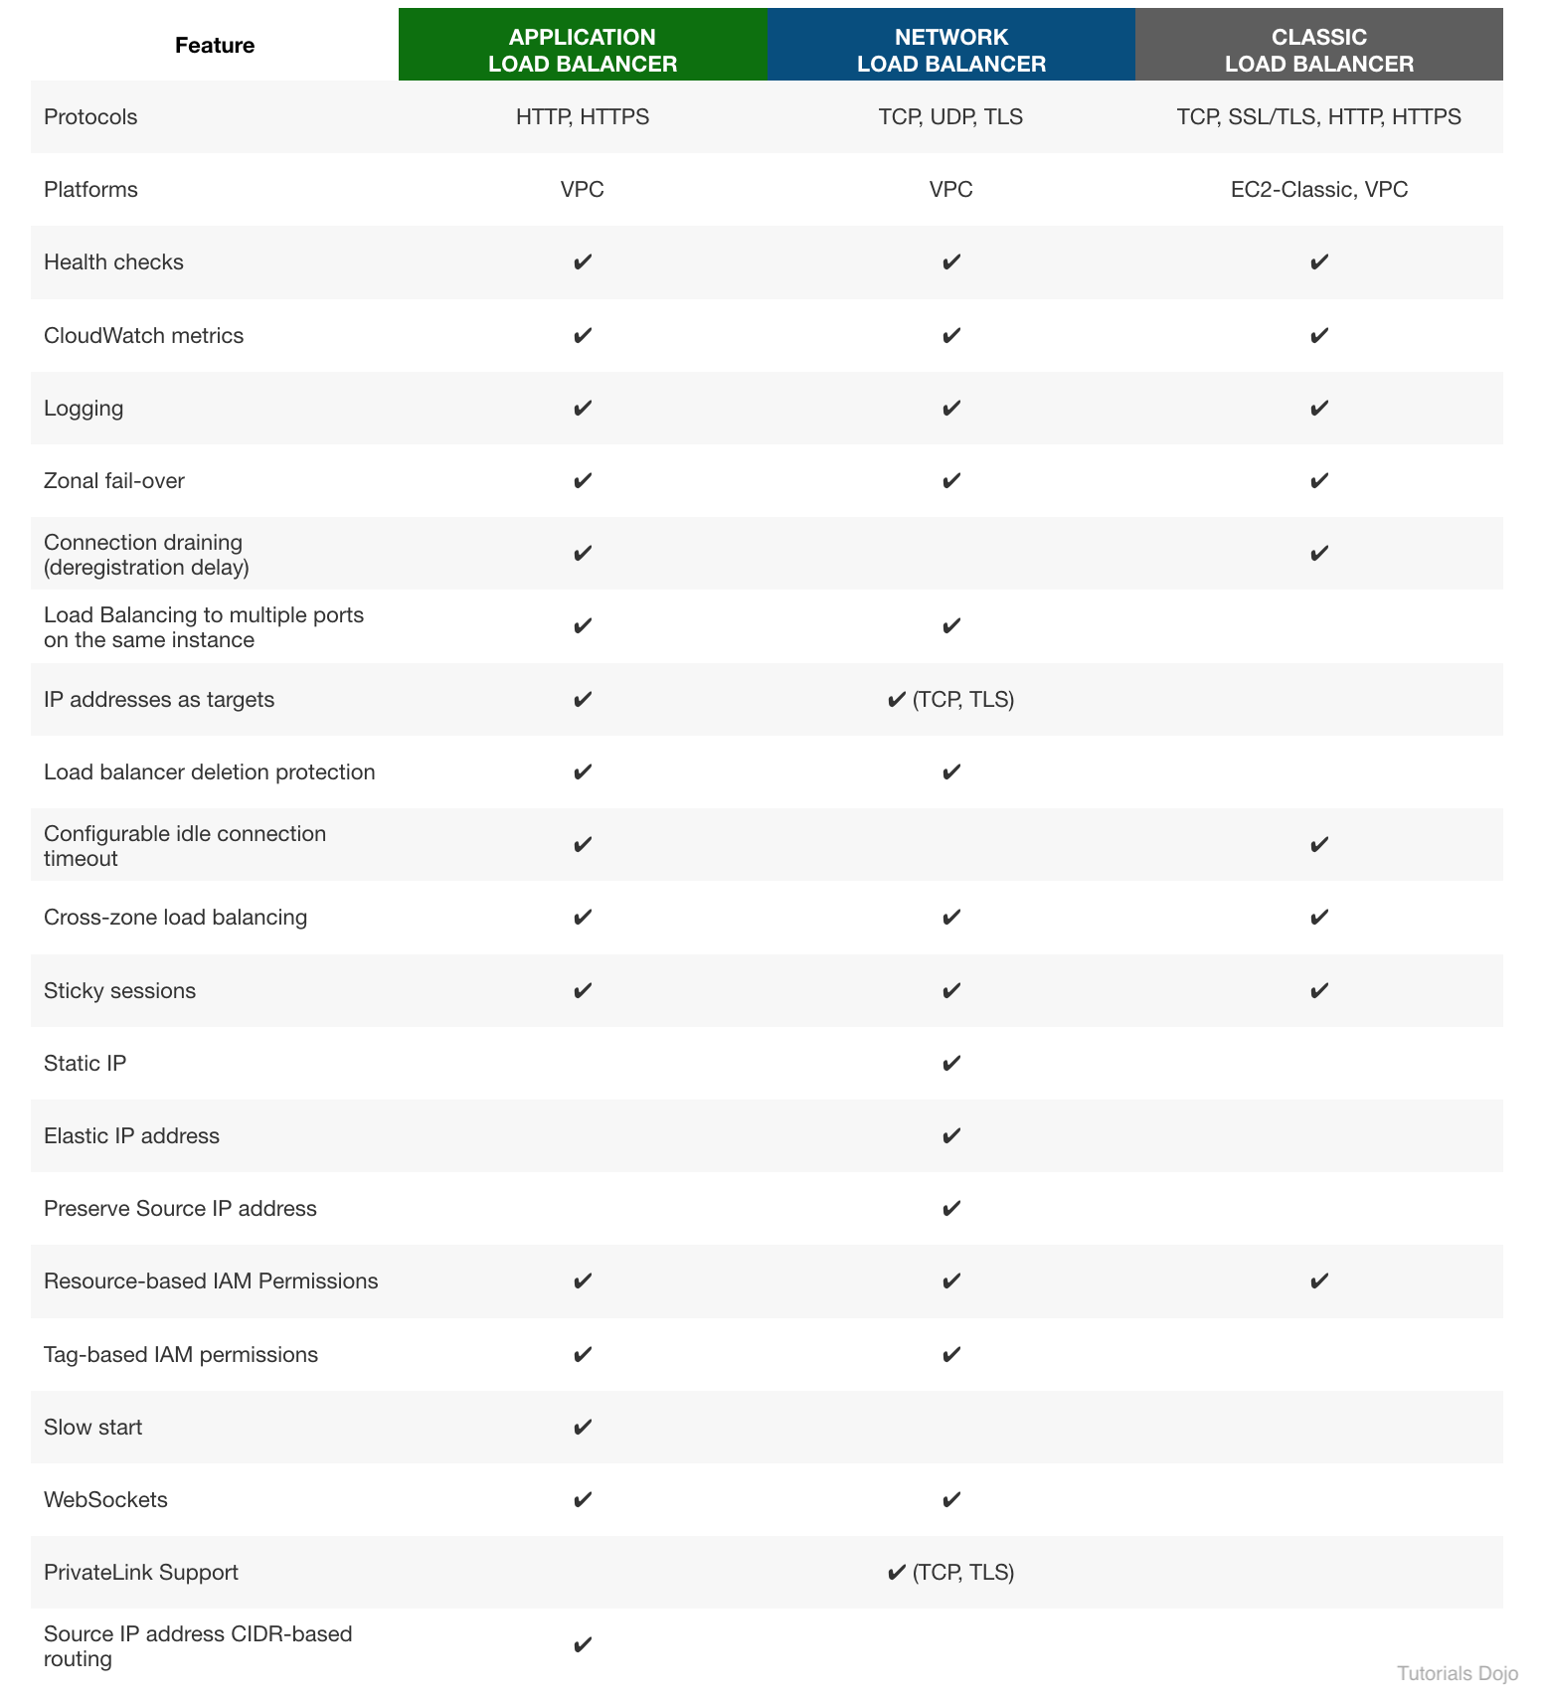
ELB - Advantages
Advantage | Explanation
High Availability | Distributes traffic across multiple targets in multiple AZs to improve uptime.
Auto Scaling Integration | Works seamlessly with Auto Scaling groups for dynamic scaling of backend fleet.
Health Checks | Automatically checks health of targets and routes traffic only to healthy ones.
Multiple Protocol Support | Supports HTTP, HTTPS, WebSocket, and TCP (depending on ELB type).
SSL Termination | Offloads SSL/TLS to the ELB, reducing load on backend servers.
Built-in Security | Integrates with AWS WAF and security groups for protection and control.
Seamless Failover | Reroutes traffic to healthy instances during failure without user impact.
Centralized Management | Provides unified traffic distribution and visibility through AWS Console/CLI.
Elasticity | Automatically scales to handle changes in incoming traffic.
Path-based & Host-based Routing | (ALB) Routes traffic based on URL paths or host headers.
Container Support | (ALB) Works well with ECS and microservices architecture.
Cross-Zone Load Balancing | Ensures traffic is distributed evenly across all AZs.
Sticky Sessions (Session Affinity) | Maintains user session with the same backend if needed.
Logging and Monitoring | Integrated with CloudWatch, access logs, and metrics for monitoring.

AWS Services Integrated with ELB
Service | Integration Benefit
Amazon EC2 | Distributes incoming traffic across EC2 instances.
Auto Scaling | Automatically adds/removes instances; ELB balances load across new instances.
Amazon ECS (Fargate/EC2) | Works with Application Load Balancer (ALB) to route traffic to containers.
Amazon EKS / Kubernetes | Supports load balancing for pods/services via ALB Ingress Controller.
AWS Certificate Manager | Easily manage SSL/TLS certificates for HTTPS listeners.
AWS WAF | Protects ALB with web application firewall rules.
Amazon CloudWatch | Monitors ELB metrics like request count, latency, healthy host count, etc.
AWS CloudTrail | Logs all ELB API calls for auditing and compliance.
AWS Global Accelerator | Works with ELB to improve global application performance and availability.
Amazon Route 53 | DNS service used to direct users to ELB endpoints with health checks.
Elastic Beanstalk | Automatically provisions and configures ELB for web applications.
IAM | Manages permissions for accessing and managing ELB resources.
AWS Shield | Provides DDoS protection for ALB and NLB.
AWS CloudFormation | Enables ELB provisioning through infrastructure-as-code templates.

AWS Load Balancer Comparison Table
Feature | ALB | NLB | GWLB | CLB (Legacy)
Best For | HTTP/HTTPS traffic | TCP/UDP, high performance | Deploying, scaling, and managing appliances | Basic Layer 4/7 load balancing
Protocol Support | HTTP, HTTPS | TCP, TLS, UDP | GENEVE (encapsulated traffic) | HTTP, HTTPS, TCP
Layer | Layer 7 (Application) | Layer 4 (Transport) | Layer 3 ( Network ) / 4 ( Transport ) | Layer 4 (Transport) & 7 (Application)
Routing Type | Path, Host-based, Query, Headers | IP-based | Appliance-based traffic inspection | Round robin (Layer 7) or TCP (L4)
Target Types | EC2, IP, Lambda | EC2, IP | VPC endpoint service | EC2 only
WebSocket Support | ✅ Yes | ✅ Yes | ❌ No | ❌ No
TLS Termination | ✅ Yes | ✅ Yes | ❌ No | ✅ Yes
Health Checks | HTTP/HTTPS | TCP/HTTP/HTTPS | GENEVE | TCP/HTTP
Sticky Sessions | ✅ Yes (Cookies) | ✅ Yes (Source IP) | ❌ No | ✅ Yes
WAF Integration | ✅ Yes (Only ALB) | ❌ No | ❌ No | ❌ No
Authentication | ✅ Yes (OIDC, Cognito) | ❌ No | ❌ No | ❌ No
Static IP Support | ❌ No (ALIAS/Route53 only) | ✅ Yes (EIP) | ✅ Yes (EIP) | ❌ No
Cross-Zone Load Balancing | ✅ Optional | ✅ Optional | ✅ Yes | ✅ Yes
Use Case Examples | Web apps, APIs, microservices | Gaming, IoT, low latency systems | IDS/IPS, Firewalls, Traffic Inspection | Legacy apps (use ALB/NLB for new apps)

Application Load Balancer (ALB) – Target Groups Overview
Target Type | Description | Use Case
Instance | Route to EC2 instance (uses instance ID) | Standard use case for EC2-hosted apps
IP | Route to any IP within a VPC | Containers, on-prem via Direct Connect/VPN
Lambda | Routes requests to Lambda functions (via ALB) | Serverless applications
ALB (nested) | Routes to another ALB via IP target (indirect) | Advanced service chaining (not native)

Target Group Settings
Setting | Details
...
Load Balancer Type | Cookie Type | Default Cookie Name | Customization | Notes
ALB (Application LB) | 1. Application-based 2. LB-generated | 1. Custom name 2. AWSALB, AWSALBTG | ✅ Yes for app cookie ❌ for LB cookie | LB-generated cookie automatically handles stickiness
CLB (Classic LB) | 1. Application-based 2. LB-generated | 1. Custom name 2. AWSELB | ✅ Yes for app cookie ❌ for LB cookie | Supports both app-defined and ELB cookie
NLB (Network LB) | ❌ No cookie support | — | — | Uses source IP affinity instead of cookies
GWLB (Gateway LB) | ❌ No cookie support | — | — | Not session-aware; used for appliances like firewalls

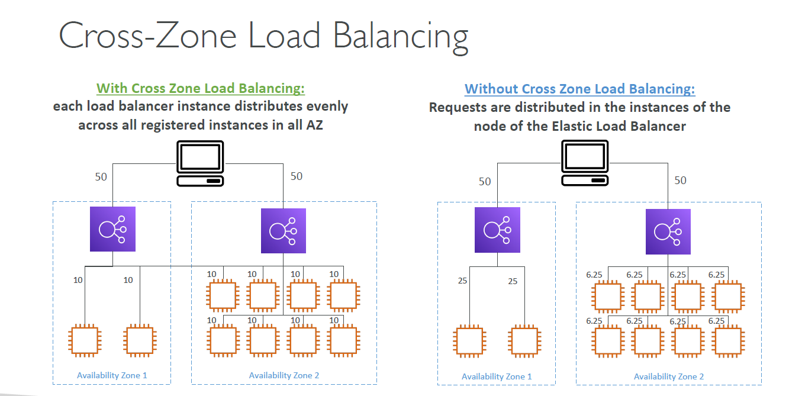
Cross-Zone Load Balancing Overview
Aspect | Details
Definition | Distributes traffic evenly across all registered targets in all AZs, regardless of the originating AZ.
Applicable To | ALB, NLB, and CLB (with minor differences).
Default Behavior | - ALB: Enabled by default, no cost. - NLB: Disabled by default (charges apply when enabled). - CLB: Disabled by default.

Advantage | Explanation
Better load distribution | Balances traffic evenly across all targets regardless of AZ.
Improved fault tolerance | If one AZ has fewer healthy targets, others can take more traffic.
Simplified architecture | You don’t need equal target counts per AZ.
Supports asymmetric scaling | Useful when you auto scale unevenly across AZs.

Disadvantage | Explanation
Possible inter-AZ data transfer costs | Especially with NLB, as data may cross AZs—incurs $0.01/GB transfer cost.
Not suitable for zonal isolation designs | Cross-AZ traffic breaks AZ fault boundaries.
Potential latency variation | May introduce slight latency if requests are routed to targets in other AZs.

Use Case | Why It’s Suitable
High availability web apps with uneven AZ scaling | Ensures even distribution regardless of target count in each AZ.
Disaster recovery setups | Allows traffic reroute during AZ outages or failover scenarios.
Cost-sensitive apps (ALB only) | No inter-AZ charges for ALB; cost-efficient for multi-AZ apps.
Auto Scaling groups across multiple AZs | Eliminates the need to pre-balance instances across AZs manually.

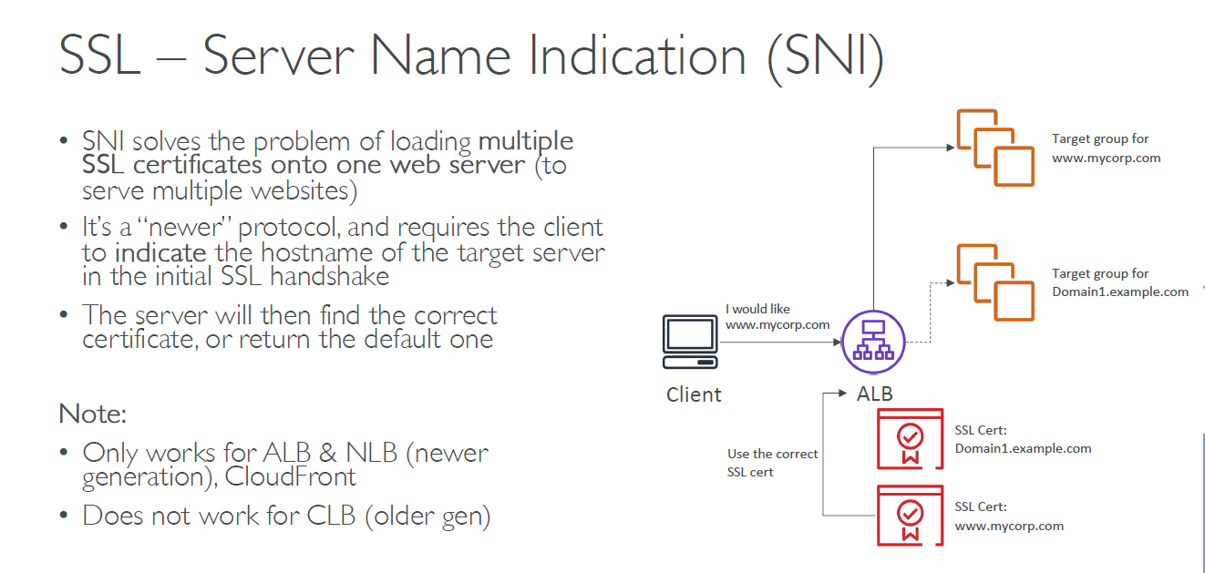

What is SNI | - SNI is an extension to TLS that allows the client to specify the hostname ( i.e fully qualified domain name ) it's trying to reach during the TLS handshake. - This enables the load balancer to select the correct SSL certificate based on the hostname, allowing multiple SSL certificates on the same listener.

URL | Hostname
https://www.example.com/login | www.example.com
https://api.mycompany.com/v1/users | api.mycompany.com
https://store.example.org/products | store.example.org
https://tenant123.saasapp.com | tenant123.saasapp.com

Elastic Load Balancers & SSL Certificates
Load Balancer Type | SSL/TLS Support | Where SSL Termination Happens | SNI Support | Multiple Certificates
Application (ALB) | Yes | At the ALB (Layer 7) | ✅ Supported | ✅ Yes (via SNI)
...
Feature | Details
Additional Certificates | You can attach multiple (SNI-based)
Listener Protocols | HTTPS for ALB/CLB, TLS for NLB
ACM Wildcard Support | Yes – for subdomains (e.g., *.example.com)
HTTPS Redirection | ALB supports HTTP to HTTPS redirection with SSL termination

Use Case | Why SSL/SNI is Useful
Hosting multiple domains on one ALB/NLB | Use different SSL certs for each domain using SNI
Securing frontend traffic | Terminate SSL at ALB/NLB and forward decrypted traffic to backend
SaaS platform with tenant-based domains | Each tenant can use a custom domain and SSL cert using SNI

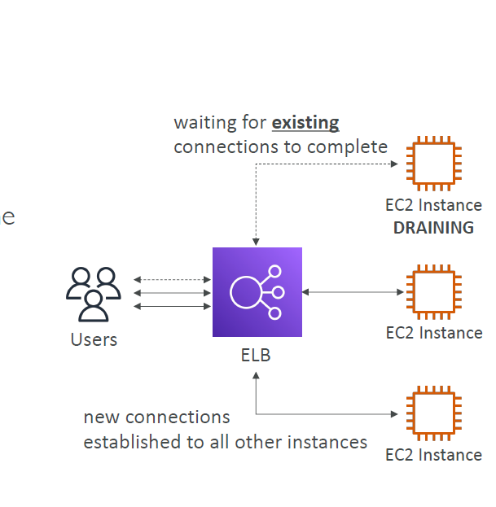
Connection Draining ( CLB ) / Deregistration Delay ( ALB/NLB )
Aspect | Details
Feature Name | Connection Draining (Classic LB) Deregistration Delay (ALB & NLB)
Purpose | Allow in-flight requests to complete before removing a target
Default Timeout | 300 seconds
Configurable Range | 0 – 3600 seconds
Applies To | ALB, NLB (via Target Group), Classic Load Balancer (CLB)
When It Triggers | - Instance deregistration - Target marked unhealthy - Manual removal
What It Does | - Stops sending new requests to the target - Keeps existing connections alive until complete or timeout
Benefits | - Prevents dropped connections - Enables graceful shutdown - Enhances deployment safety
Example Use Case | EC2 instance is being terminated during an update—draining ensures no user request is cut off midway.

Auto Scaling Group ( ASG ) - Overview
Aspect | Details
Service Name | Amazon EC2 Auto Scaling
Purpose | Automatically launch or terminate EC2 instances based on demand
Core Components | Launch Template / Configuration, ASG, Scaling Policies
Minimum Size | Minimum number of instances ASG maintains
Maximum Size | Maximum number of instances ASG can scale up to
Desired Capacity | Target number of instances ASG tries to maintain
Scaling Types | - Manual - Dynamic (Policy-based) - Scheduled - Predictive
...

Route53
...
TTL in Route 53 | Field | Details
 | Unit | Seconds
 | Typical Range | 60 seconds to 172800 seconds (2 days). Default: 300 seconds (5 minutes)
 | Effect on Caching | Longer TTL → Fewer DNS lookups (better performance, less flexibility). ($) Shorter TTL → Faster propagation of changes. ($$$)
 | Configurable? | ✅ Yes – Set individually for each DNS record in Route 53.
 | Applies To | All record types – A, AAAA, CNAME, Alias, MX, etc.
 | Use Cases | - Short TTL (30–300s): For frequently changing IPs (e.g., blue/green deployment). - Long TTL (1–2 days): For stable records (e.g., static websites, mail servers).
TTL in Route 53 - Use Cases
Name | Type | Value | TTL | Effect
www.example.com | A | 192.0.2.1 | 300 | DNS record cached for 5 mins
api.example.com | CNAME | api.externalvendor.com | 60 | Changes take effect faster on client side
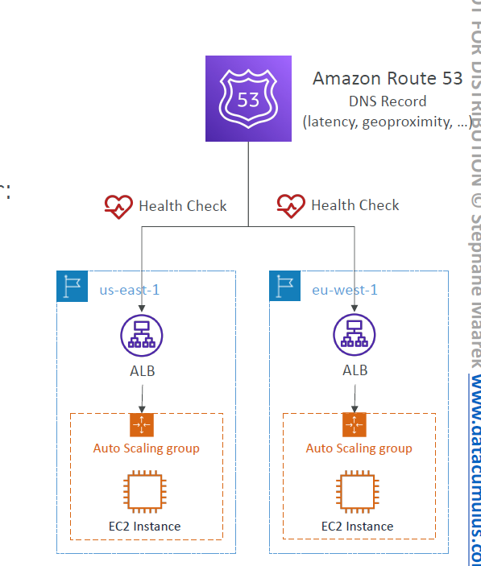

Health Checks in Route 53 | Attribute | Details
 | Definition | A Route 53 health check monitors the health of resources (e.g., web servers, endpoints) and helps in DNS failover.
 | Target Types | - IP address (e.g., EC2 instance) - Domain name (e.g., example.com) - CloudWatch alarm
 | Supported Protocols | - HTTP - HTTPS (with optional SSL validation) - TCP
 | Monitoring Locations | Route 53 performs health checks from multiple AWS regions for global reliability.
 | Check Interval | Default: 30 seconds Fast interval: 10 seconds (higher cost)
 | Threshold | Number of unhealthy checks before considering the endpoint unhealthy (default: 3 of 3).
 | Failover Action | Automatically update DNS records to route traffic to a healthy backup endpoint.
 | Alarm Integration | Can trigger CloudWatch alarms and SNS notifications.
 | Charges | Billed per health check (especially for fast interval checks or those with CloudWatch alarms).

Health Checks - Use Cases | Use Case | Description
 | Active-Passive Failover | Route traffic to a standby server if the primary becomes unhealthy.
 | Multi-Region High Availability | Health check each region's endpoint and route to the healthiest one.
 | Load Balancer Monitoring | Ensure the load balancer itself is healthy and reachable.
 | Alerting via CloudWatch | Notify administrators if a critical endpoint is unreachable.
 | Validating Endpoint SSL | Use HTTPS health checks to verify SSL certificate validity.
Health Checks - Step by Step
Step | Action | Description
1 | Create Health Check | Define endpoint (IP/domain), protocol (HTTP/HTTPS/TCP), and port.
2 | Route 53 Sends Probes | Health check requests are sent from multiple AWS edge locations globally.
3 | Monitor Responses | Route 53 expects a successful response (200 OK, TCP connection, etc.).
4 | Aggregate Results | Results from all edge locations are analyzed.
5 | Evaluate Health | If failures exceed the threshold, the endpoint is marked Unhealthy.
6 | Update DNS Resolution | Unhealthy records are removed from DNS responses (if associated with record).
7 | Apply Routing Policy | Traffic is redirected to a healthy target using failover, latency, etc.
8 | Trigger Alerts (Optional) | Health checks can publish status to CloudWatch for alerts and monitoring.

Health Checks - Private Hosted Zone | Aspect | Details
 | Default Behavior | Route 53 health checks work only with public endpoints by default.
...
Hosted Zones | Attribute | Details
 | Purpose | To manage DNS records (like A, CNAME, Alias) for a domain in Route 53.
 | Linked To | A single domain name (e.g., example.com).
 | Billing | You are billed per hosted zone per month (regardless of traffic).
 | Types | Public Hosted Zones and Private Hosted Zones

Hosted Zones - Types | Type | Description | Use Case Example
 | Public Hosted Zone | Routes DNS queries from the internet to AWS resources or external endpoints. | Hosting a website on EC2 or S3 (e.g., example.com).
 | Private Hosted Zone | Used within one or more VPCs; routes DNS queries for domain names inside an AWS VPC only. | Internal service discovery in a VPC (e.g., db.internal).

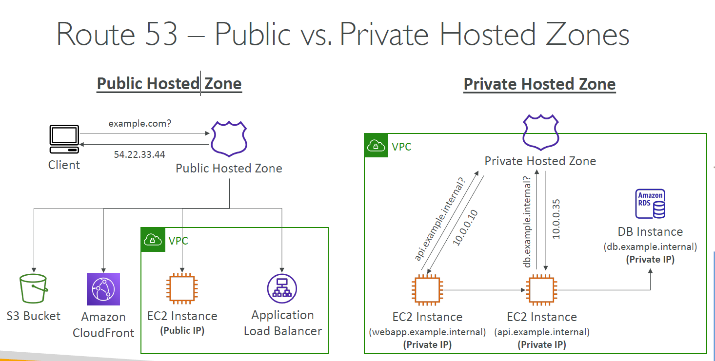
Public vs Private Hosted Zones | Aspect | Public Hosted Zone | Private Hosted Zone
 | Scope | Accessible over the internet | Accessible only within specified VPC(s)
 | Use Case | Public-facing websites or services | Internal services (e.g., microservices, internal APIs, databases)
 | DNS Resolution | Resolves publicly via Route 53 name servers | Resolves privately within VPC DNS
 | VPC Association | Not associated with a VPC | Must be associated with one or more VPCs
 | Security | Publicly reachable, secured using best practices (e.g., SSL, WAF) | Private by default, protected by VPC-level controls (e.g., security groups)
 | Examples | www.example.com, app.company.com | db.internal, auth.service.local
 | Supports Alias Records | ✅ Yes | ✅ Yes
 | Billing | Billed per public hosted zone | Billed per private hosted zone per VPC association

Examples | Hosted Zone Type | Use Case | Example
 | Public | Hosting a public website | www.myshop.com resolves to a public ALB or EC2
 | Public | Redirecting domains | oldsite.com CNAME redirect to newsite.com
 | Public | Email services (MX record setup) | mail.mycompany.com for Google Workspace or Microsoft 365
 | Public | CDN Integration | static.mysite.com served via CloudFront (Alias to CloudFront)
 | Public | Mobile/Web App APIs | api.myapp.com exposed via API Gateway
 | Public | SaaS Multitenant apps | client1.myproduct.com, client2.myproduct.com (via wildcard subdomain)
 | Private | Internal services discovery | db.internal → private IP of RDS instance
 | Private | Microservices within VPC | auth.service.local → internal load balancer
 | Private | Hybrid DNS with on-prem systems | corp.example.com → VPC + on-prem DNS setup
 | Private | Dev/test environments | test.env.local routes to dev-only endpoints
 | Private | VPC-based security isolation | Isolate DNS between staging and prod VPCs
 | Private | Lambda to internal resource lookup | Lambda in VPC uses cache.internal to resolve ElastiCache
...

KMS
...
KMS Key Policies - Comparision | Aspect | Default KMS Key Policy | Custom KMS Key Policy
 | Definition | AWS automatically creates the key policy when you create a CMK via console (with IAM integration). | A user-defined policy written manually to control detailed access to the CMK.
 | Grants IAM Access? | ✅ Yes, if created via AWS Console with “allow IAM users” option. | ❌ Not granted by default unless explicitly included in the policy.
 | Flexibility | Limited – grants full access to the root user and optionally IAM roles. | High – allows fine-grained access for users, roles, services, and cross-account use.
 | Ease of Use | Simple for common use cases. | Requires more expertise in IAM and JSON policy syntax.
 | Cross-account Access | ❌ Not supported. | ✅ Supported by explicitly specifying external account principals.
 | Use Cases | - Basic in-account encryption needs. - One-team or single-tenant setups. | - Fine-grained access control. - Cross-account key sharing. - Service-specific access.
 | When to Use | - Internal teams using AWS services (e.g., EBS, S3) with basic encryption. - Simpler environments with centralized administration. | -Granting access to specific IAM roles/users across accounts. -Limiting access to only decrypt operations. -Creating keys used by specific AWS services like Lambda or S3 with scoped permissions.
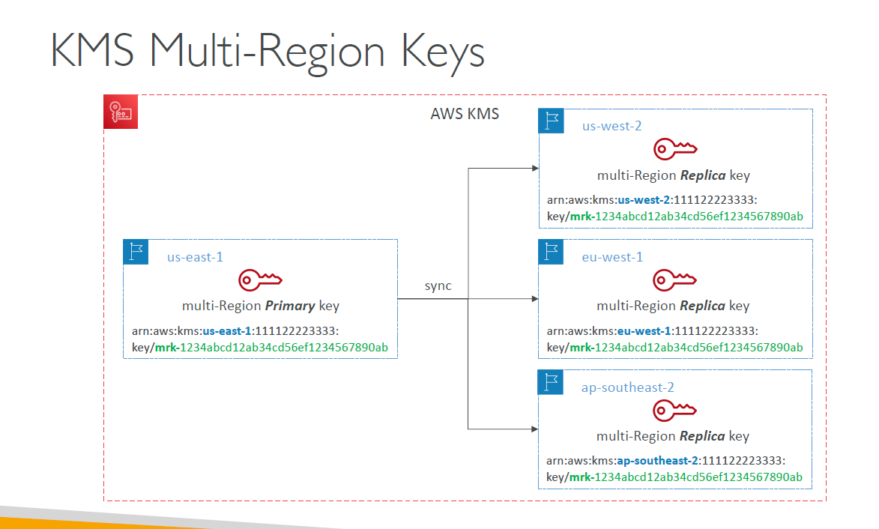

Multi Region Keys | Feature | Description
 | Definition | Customer managed KMS keys that can be replicated to multiple AWS Regions.
 | Replication | Manual, one-time or repeated. Creates independent but cryptographically equivalent keys in other regions. Note : Multi-Region Keys are not global. Only Primary + Replica regions.
 | Key Usage | Can encrypt in one region and decrypt in another, assuming permissions allow. Note : Each Multi-Region Key is managed independently.
 | Key Types Supported | Only Symmetric CMKs are supported (as of now).
 | Automatic Sync? | No – changes like grants or aliases need to be manually duplicated.
 | Key Rotation | Must be enabled per-region; not replicated automatically.

Multi Region Keys - Use cases | Use Case | Why Multi-Region KMS Helps
 | Disaster Recovery (DR) | Encrypt data in primary region, decrypt in secondary during DR failover.
 | Multi-Region Applications | Same key material usable across AWS regions for consistent encryption.
 | Cross-region S3 replication with KMS encryption | Required for decrypting in source and encrypting in destination region.
 | Global SaaS or CDNs | Serve encrypted data with minimal latency by decrypting locally.
 | Cross-region Snapshot Copy | Needed when snapshots are encrypted with a CMK and replicated across regions.
 | Global client-side encryption
 | Global Dynamo DB
 | Global Aurora

Encrypting a Volume with Multi-Region Keys (MRK) in AWS Across Two Regions
Step No | Action | Region | Key Used | State of Encryption
1 | Create Multi-Region Primary Key | Primary (e.g., us-east-1) | New MRK Primary Key (mrk-primary-key) | Key created (not yet used for encryption)
2 | Create Multi-Region Replica Key | Secondary (e.g., eu-west-1) | Replica of Primary Key (mrk-replica-key) | Key created (replica synchronized with primary)
3 | Encrypt EBS Volume | Primary (us-east-1) | Primary Key (mrk-primary-key) | Volume encrypted with MRK (primary)
4 | Create Snapshot of Encrypted Volume | Primary (us-east-1) | Inherits encryption from source volume (mrk-primary-key) | Snapshot encrypted (same key as source volume)
5 | Copy Snapshot to Secondary Region | Secondary (eu-west-1) | Replica Key (mrk-replica-key) | Snapshot re-encrypted with replica key during copy
...

SSM
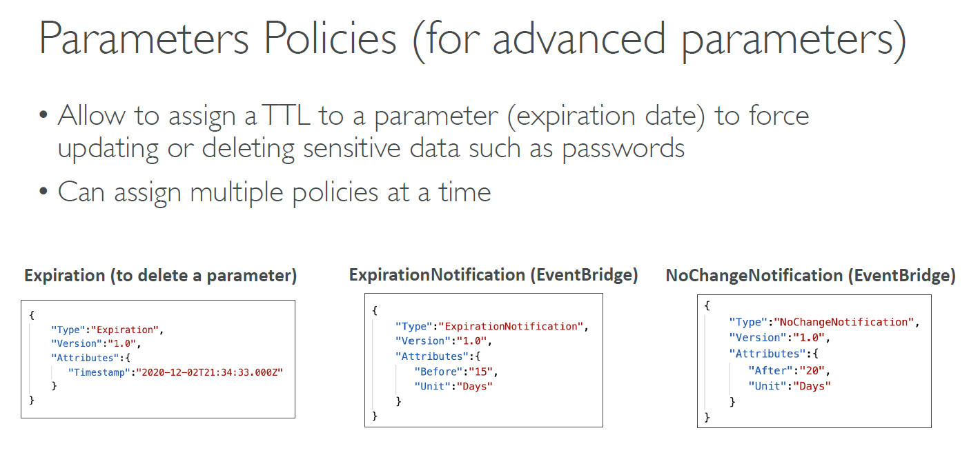
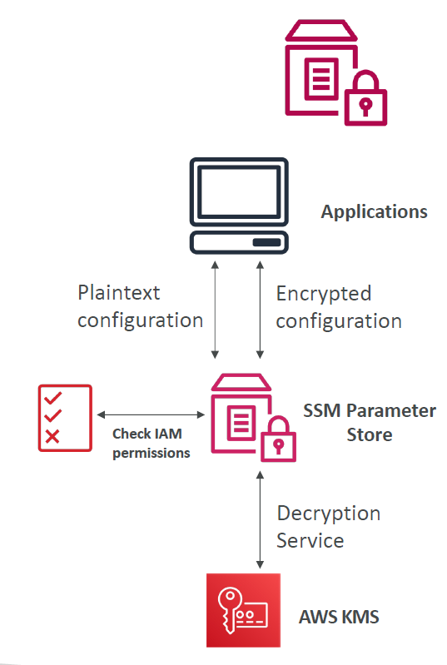
SSM Parameter Store - Overview | Category | Description
 | What is it? | A secure, hierarchical storage for configuration data management and secrets.
 | Types of Parameters | - String - StringList - SecureString (encrypted with AWS KMS)
 | Hierarchy Support | Parameters can be organized using a folder-like structure (e.g., /app/dev/db/password)
 | Versioning | Maintains version history of parameters
 | Access Control | IAM policies can restrict access by path, parameter name, or tag
 | Encryption Support | SecureString type uses AWS KMS for encryption

SSM Parameter Store - Use Cases | Use Case | Example
 | Store Environment Variables | Save /app/prod/db/host or /app/dev/api/key
 | Secure Secret Management | Use SecureString to store passwords, API keys, tokens securely
 | Parameterize Infrastructure | Reference parameter values in CloudFormation or Terraform
 | Application Configuration | Inject app-specific configs at runtime via EC2 UserData or Lambda
 | Cross-Account Config Sharing | Share encrypted parameters using KMS key policies and SSM permissions
 | CI/CD Integration | Inject credentials and environment values into build pipelines
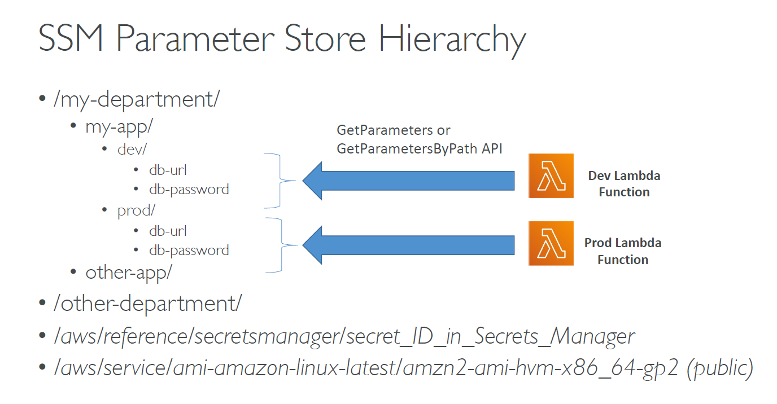
 | Audit & Rollback Config Changes | Use version history for rollback and auditing

SSM Parameter Store - Hierarchy | Parameter Name | Use Case Description | Value Example
 | /myapp/dev/db/username | DB username for dev environment | dev_user
 | /myapp/dev/db/password | Secure DB password (as SecureString) | ********
 | /myapp/prod/api/endpoint | API endpoint for production environment | https://api.prod.com
 | /myapp/staging/cache/ttl | Cache TTL config for staging environment | 300
 | /shared/email/smtp/server | Shared SMTP server config across apps | smtp.example.com
 | /myapp/common/log_level | Common logging level across environments | INFO
 | /aws/reference/secretsmanager/secret_ID_in_Secrets_Manager | Reference to a Secrets Manager secret via dynamic reference | {{resolve:secretsmanager:...}}
 | /aws/service/ami-amazon-linux-latest/amzn2-ami-hvm-x86_64-gp2 | Public parameter for latest Amazon Linux 2 AMI | ami-xxxxxxxxxxxxxxxxx

SSM Parameter Store - Hierarchy Best Practices | Practice | Explanation
 | Use clear prefixes | Start with app name or project name (/myapp/dev/...)
 | Separate by environment | Helps in granting least-privilege IAM access (e.g., /myapp/dev/* vs /myapp/prod/*)
 | Use SecureString for secrets | Always encrypt sensitive values like passwords or tokens
 | Tag parameters | Add tags (e.g., Environment=dev) for easier management

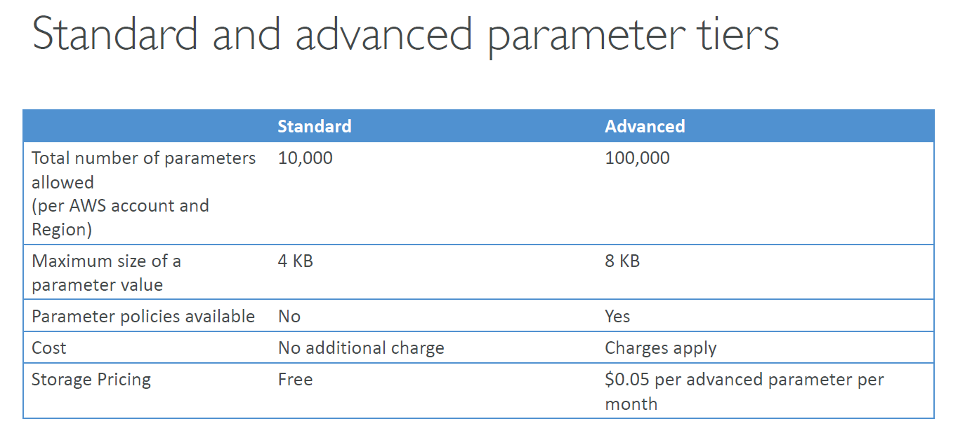
Standard vs Advanced Parameter tiers | Parameter Tiers | Standard Tier | Advanced Tier
 | Cost | Free (up to limits) | Charged per parameter per month e.g $0.05 per advanced parameter per month
 | Max Parameter Size | 4 KB | 8 KB
 | Parameter Policies | ❌ Not supported | ✅ Supported (e.g., expiration, change notification)
 | Version History Retention | Up to 100 versions per parameter | Unlimited
 | SecureString with Custom KMS | ✅ Supported | ✅ Supported
 | Parameter Limit per Account | 10,000 total | Up to 100,000+ (soft limit, can be increased)
 | Expiration & Notification | ❌ Not supported | ✅ Supported via parameter policies
 | Useful For | Basic configs, secrets with default KMS | Secrets rotation, audit trails, policies, large parameter sets
 | When to use | Ideal for general app configs, environment variables, non-sensitive strings, or secrets using default KMS and basic limits. | Choose for secrets with expiration, frequent versioning, large config values, or when you need policies like expiration/notification.

Parameter Policies - Advanced Tier | Policy Type | Purpose | Attributes | EventBridge Notification | Example
 | Expiration | Deletes parameter at a specific timestamp | Timestamp: "2020-12-02T21:34:33.000Z" | ❌ | Deletes parameter on a set date
 | ExpirationNotification | Triggers a notification before expiration | Before: 15, Unit: "Days" | ✅ | Notify 15 days before parameter expiry via EventBridge
 | NoChangeNotification | Triggers alert if parameter not updated in time | After: 20, Unit: "Days" | ✅ | Notify if no change is made for 20 days via EventBridge

RDS
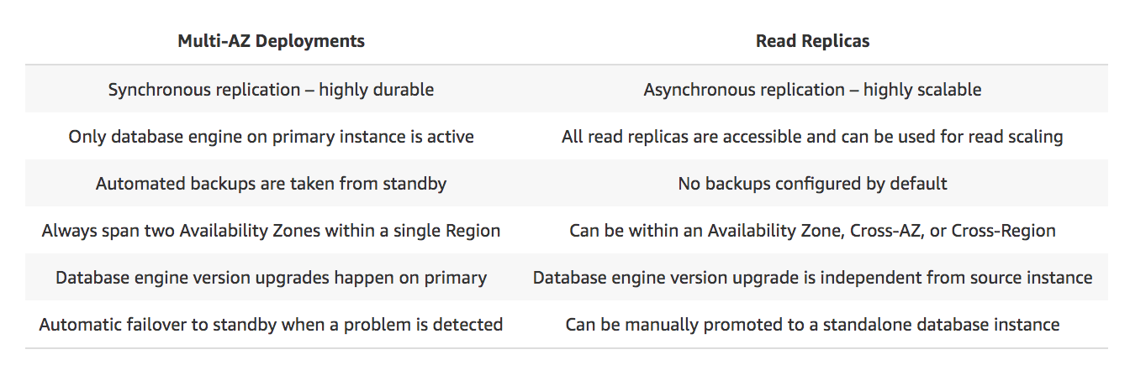

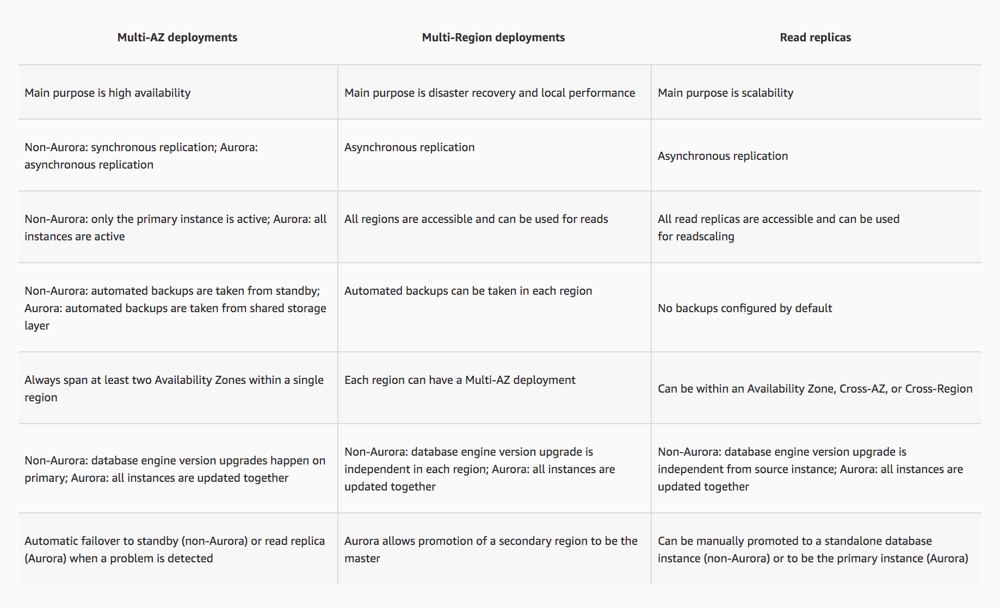

Feature | RDS Multi-AZ DB Instance | RDS Multi-AZ DB Cluster
Deployment Type | Single DB instance with a standby in a different AZ | Aurora DB cluster with multiple instances (primary and replicas)
High Availability | Yes, with failover to standby instance | Yes, with automatic failover and multiple replicas
Replication | Synchronous between primary and standby | Synchronous between primary and Aurora replicas
Failover | Automatic failover to standby instance | Automatic failover within the Aurora cluster
Data Recovery | Automatic backups, point-in-time recovery | Continuous backups to S3, PITR, and automatic backups
Read Traffic | Read-only from the primary instance | Read traffic can be distributed across Aurora replicas
Supported Engines | MySQL, PostgreSQL, MariaDB, SQL Server, Oracle | Amazon Aurora (MySQL and PostgreSQL compatible)
...

ACM
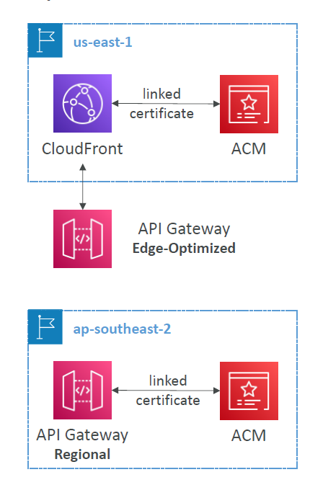
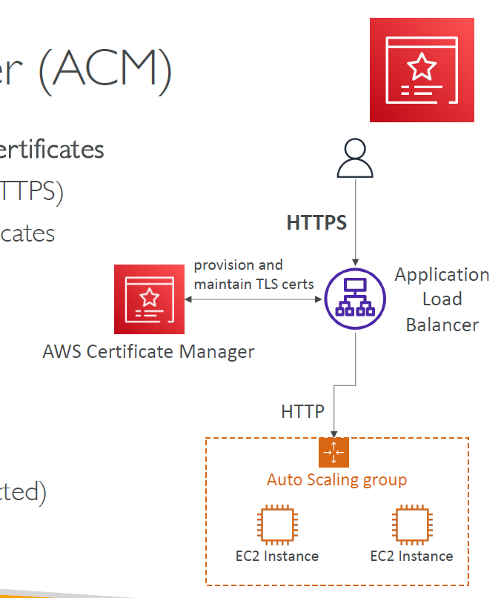
AWS Certificate Manager (ACM) - Overview | Aspect | Details
 | Service Name | AWS Certificate Manager (ACM)
 | Purpose | Provision, manage, and deploy TLS/SSL certificates
 | Certificate Types | Public and Private (via ACM Private CA)
 | Cost | Free for public certificates; charges apply for private CA
 | Auto-Renewal | Supported for all ACM-issued certificates
 | Integration Support | Elastic Load Balancer (CLB, ALB, NLB), CloudFront, API Gateway
 | Extraction Limitation | Certificates cannot be exported (i.e., cannot use with standalone EC2)
 | Encryption Support | Provides in-flight encryption (HTTPS/TLS)
 | Certificate Validation | DNS validation, Email validation
 | Use with EC2 | Not supported directly (no cert download allowed)
 | Best Use Case | Secure AWS-managed endpoints (e.g., ALB, CloudFront, API Gateway)

ACM - Advantages | Advantage | Description
 | Easy provisioning & deployment | Simplifies requesting and attaching TLS certificates
 | In-flight encryption (HTTPS) | Secures web traffic using TLS
 | Supports public & private certificates | Flexibility for internet and internal/private apps
 | Free public TLS certificates | No cost for publicly trusted certs
 | Auto-renewal | Reduces operational overhead and avoids service disruption
 | Integrated with AWS services | Works natively with ELB (CLB, ALB, NLB), CloudFront, API Gateway
 | Managed service | No need to manually handle cert files or setup

ACM - Use Cases | Use Case | Description
 | Public web apps with HTTPS | Secure ALB fronting a web app using free ACM cert
...
ACM – Requesting Public Certificates | Aspect | Details
 | Supported Domains | - FQDNs (e.g., corp.example.com) - Wildcards (e.g., *.example.com)
 | Validation Methods | - DNS Validation (preferred for automation; uses CNAME records) - Email Validation (WHOIS-based contact emails)
 | Verification Time | Typically a few hours, depending on DNS propagation
 | Automatic Renewal | Yes – ACM auto-renews 60 days before expiry
 | Cost | Free
 | Integration Readiness | After validation, certificate is available for use in ALB, CloudFront, etc.
 | Region Specificity | For CloudFront, request must be in us-east-1
 | Routing Requirement | For DNS validation, configure CNAME in DNS (e.g., Route 53)
 | Email Requirement | If using email validation, ensure access to WHOIS contact addresses
 | Best Practice | Prefer DNS validation for automation and CI/CD readiness
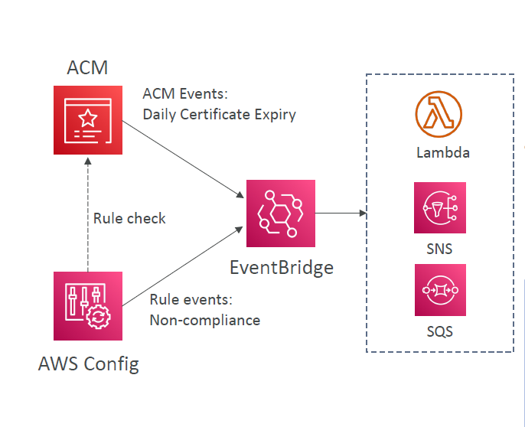

ACM – Importing Public Certificates | Aspect | Details
 | Purpose | Use externally obtained certificates (e.g., from DigiCert, GoDaddy)
 | Use Case | When a certificate is not issued by ACM but needed for use with AWS services
 | Required Files | - Certificate Body (PEM-encoded) - Certificate Chain (optional) - Private Key (unencrypted PEM)
 | Supported Format | PEM (Privacy Enhanced Mail format) only
 | Import Method | Via AWS Console, CLI, or SDK
 | Service Compatibility | ALB, NLB, CloudFront, API Gateway (Regional/Edge)
 | Automatic Renewal | ❌ Not supported – must manually re-import before expiry
 | Expiration Notifications | ✅ ACM emits daily expiration events to EventBridge starting 45 days before expiry (configurable)
 | AWS Config Support | ✅ AWS Config has a managed rule acm-certificate-expiration-check for compliance tracking
 | Integration Options | EventBridge can trigger Lambda, SNS, or SQS on expiration events
 | Region Specificity | Certificate is only available in the region where imported
 | Security Note | Do not encrypt the private key during import
 | Expiration Handling | ACM sends events, but does not auto-renew or alert via email
 | Cost | Free to import, but external CAs may charge for issuance

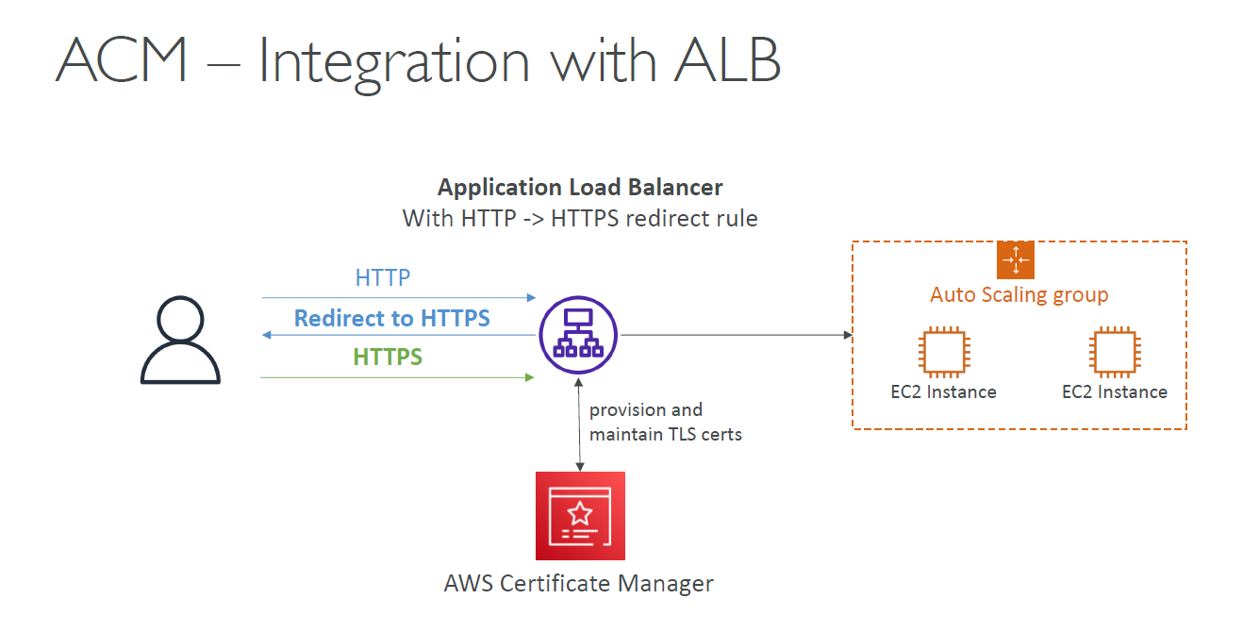
ACM Integration with ALB | Category | Details
 | Overview | - ACM provisions and manages TLS certificates - Certificates are attached to the Application Load Balancer (ALB) - ALB handles HTTP to HTTPS redirection - Secure traffic is routed to EC2 instances, typically in an Auto Scaling Group
 | Use Cases | - Secure web applications (HTTPS enforcement) - Multi-tier architectures (HTTPS frontend, HTTP backend) - Auto Scaling environments - DevOps or SaaS platforms with programmatic certificate management
 | Advantages | - Managed TLS: No manual installation or renewal - HTTPS Redirection: Easy enforcement via ALB listener rules - Scalability: TLS termination at ALB, not on EC2 - Simplified Operations: Automatic renewals by ACM - Improved Security: Encrypted data in transit, centralized cert management

ACM Integration with API Gateway – Comparison | Aspect | Edge-Optimized - API Gateway | Regional - API Gateway | Private - API Gateway
 | Best Use Case | Global clients | Clients in the same AWS Region | Internal services within VPC
 | Routing Mechanism | Routed via CloudFront Edge locations | Routed directly within the region | Routed via VPC Endpoint
 | TLS Certificate Location | us-east-1 (N. Virginia) only (for CloudFront) | Same region as API Gateway | Same region as API Gateway
 | Certificate Source | ACM | ACM | ACM
 | Domain Setup | CNAME or A-ALIAS record in Route 53 | CNAME or A-ALIAS record in Route 53 | Internal DNS or Route 53 Private Hosted Zone
 | Public/Private Access | Public | Public | Private (inside VPC only)
 | Latency Optimization | High (via edge locations) | Medium (within region) | Low (private internal)
 | CloudFront Involved | ✅ Yes | ❌ No | ❌ No
 | Event Integration | Global CDN, caching | Regional access control | VPC-internal microservices

Security
...
Web ACL ( Web Access Control List ) Rules | Rule Type | Description | Use Cases
 | Size Constraint Rule | Filters requests based on size of request components like headers, body, or URI. | Block unusually large payloads, often linked to exploits.
 | Regex Match Rule | Uses regular expressions to inspect and match request components. | Detect specific patterns in URIs, headers, or payloads.
 | Label Match Rule | Matches labels applied by other rules for advanced rule chaining logic. | Used in rule chaining and for layered rule actions.
 | Custom Rules | Fully user-defined rules combining multiple match conditions using logical statements (AND/OR). | Tailored to specific application logic or threat profiles.

WAF – Fixed IP while using WAF with a Load Balancer | Approach | Description | Pros | Cons
 | Use AWS Global Accelerator | Front your ALB with Global Accelerator, which provides 2 static IPs. | ✔ Provides fixed IPs✔ Supports WAF✔ Low latency | ✘ Additional cost

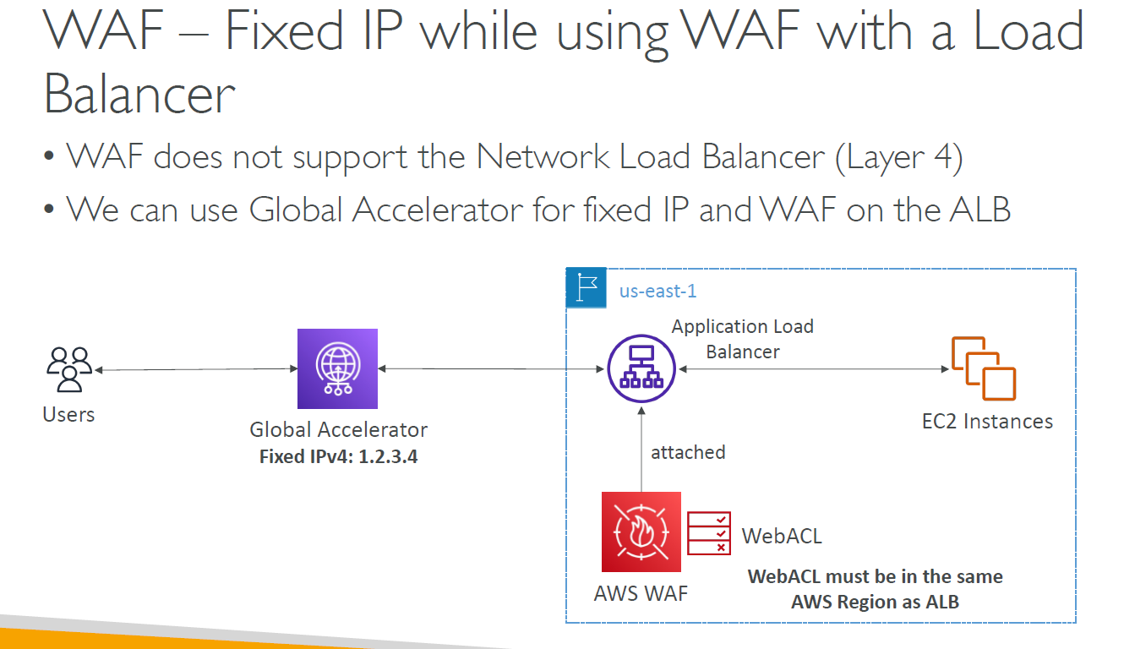

AWS Shield : DDos Attack | Feature | Details
 | Purpose | Protects applications from DDoS (Distributed Denial of Service) attacks
 | Types | 1. AWS Shield Standard (default) 2. AWS Shield Advanced (paid)
 | Shield Standard | - Free - Automatically protects AWS services (ALB, CloudFront, Route 53) - Defends against common, most frequent DDoS attacks
 | Shield Advanced | - Paid subscription - Enhanced detection & mitigation - 24/7 DDoS response team (DRT) - Real-time visibility & metrics via CloudWatch - Cost protection (for scaling during attacks)
 | Integrated Services | ALB, NLB, CloudFront, Route 53, Global Accelerator, EC2
 | DDoS Response Team (DRT) | Expert support during attacks (available with Shield Advanced)
 | Reporting & Alarms | AWS CloudWatch, AWS WAF integration, VPC Flow Logs
...
AWS Shield Advanced - Use Cases | Use Case | Description
 | 1. Protect Mission-Critical Web Apps | Safeguard applications behind CloudFront, ALB, or Route 53 that require high uptime during DDoS events.
 | 2. Financial Protection Against DDoS Scaling | Covers unexpected costs (e.g., EC2 auto-scaling, data transfer) incurred due to DDoS attack response.
 | 3. Enhanced Detection for Sophisticated Attacks | Identifies application-layer and state-exhaustion attacks not covered by basic protection.
 | 4. 24/7 DDoS Response Team (DRT) Support | Access AWS security experts for real-time mitigation and post-attack analysis.
 | 5. Regulatory and Compliance Needs | Helps meet compliance for industries requiring proactive threat mitigation and detailed reporting.
 | 6. Automated Mitigation with AWS WAF | Uses Shield Advanced with AWS WAF to apply dynamic rules in response to real-time threats.
 | 7. Centralized Protection for Global Resources | Manage DDoS protection policies across multiple accounts and Regions using AWS Firewall Manager.
 | 8. Protection of Non-HTTP Workloads | Secure TCP-based services (e.g., custom applications) via Shield Advanced on NLB or Global Accelerator.

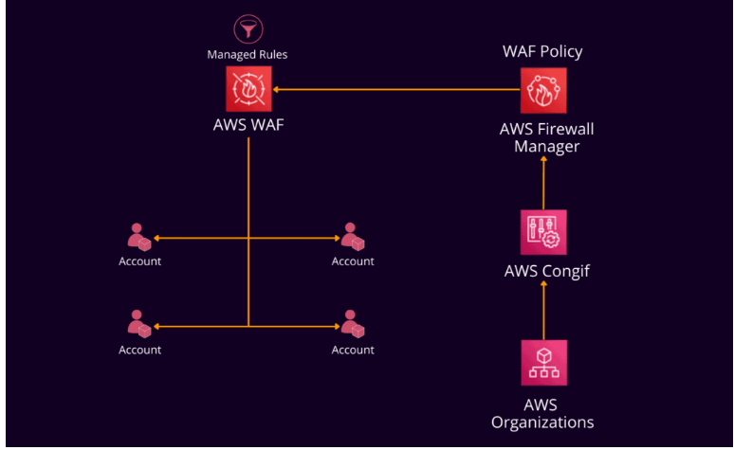
AWS Firewall Manager - Overview | Aspect | Details
 | Purpose | Centralized security policy management across multiple AWS accounts and resources
 | Manages | - AWS WAF (Web ACLs) - ALB, API Gateway, Cloud Front - AWS Shield Advanced - ALB, CLB, NLB, Elastic IP, Cloud Front - AWS Network Firewall - - VPC Security Groups - EC2, ALB and ENI resources in VPC - Amazon Route 53 Resolver DNS Firewall
 | Scope | Works across multiple AWS accounts and Regions using AWS Organizations
 | Policy Enforcement | Automatically applies and maintains firewall rules to new/existing resources
 | Integration | Integrates with AWS Organizations, AWS Config, Security Hub, and CloudTrail

AWS Guard Duty - Overview | Aspect | Details
 | Purpose | Intelligent threat discovery to protect AWS accounts, workloads, and data
 | Detection Method | Uses machine learning, anomaly detection, and third-party threat intelligence (e.g., CrowdStrike, Proofpoint)
 | Enablement | One-click setup; 30-day free trial; no software installation needed
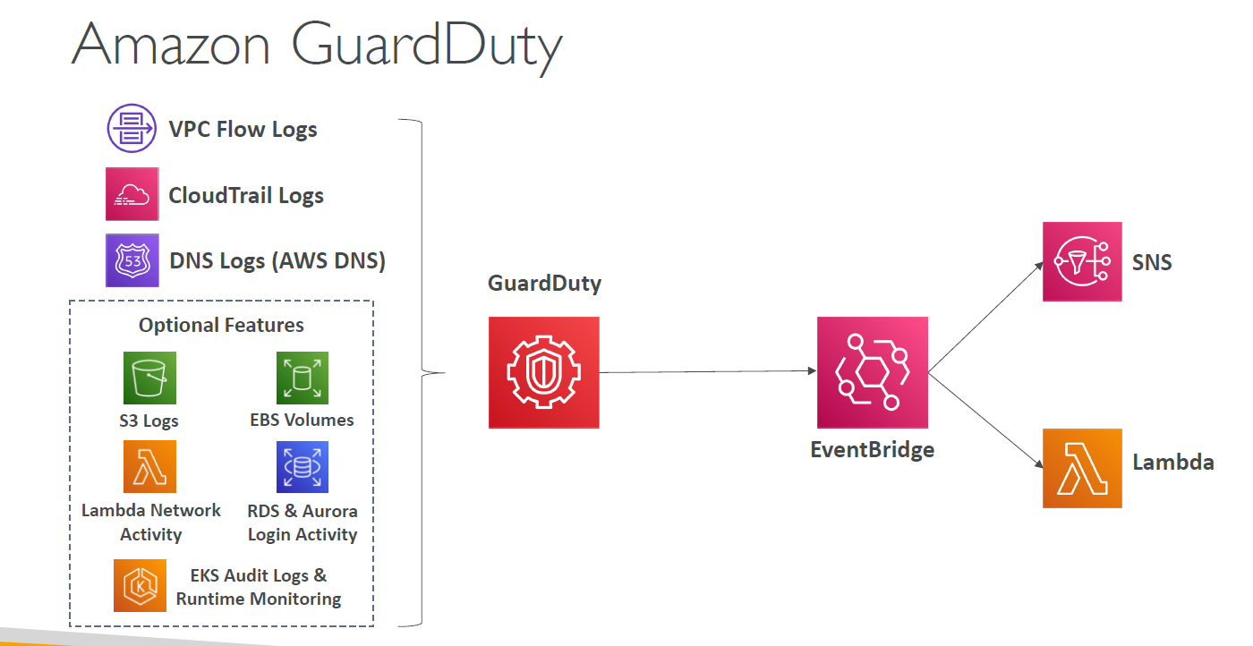
 | Primary Data Sources | - CloudTrail Event Logs: Unusual API calls, unauthorized deployments - CloudTrail Management Events: VPC creation, trail setup - CloudTrail S3 Data Events: GetObject, ListBucket, DeleteObject - VPC Flow Logs: Unusual internal traffic, IP anomalies - DNS Logs: Encoded data exfiltration via DNS (e.g., from compromised EC2)
 | Optional Data Sources | - EKS Audit Logs, RDS & Aurora Logs, EBS, Lambda, S3 Data Events (optional, configurable)
 | Threat Categories | - Reconnaissance - Credential compromise - Data exfiltration - Malware - Cryptocurrency mining (dedicated finding)
 | Response Mechanism | Integrates with Amazon EventBridge to trigger actions via AWS Lambda or SNS notifications
 | Use in Multi-Account | Supports multi-account/multi-region deployment using delegated administrator
 | Pricing | Pay-as-you-go; charges based on log volumes and number of findings generated

 | Use Case | Description
 | 1. Detect Compromised IAM Credentials | Alerts on anomalous use of IAM roles or keys (e.g., from unfamiliar IPs or regions).
 | 2. EC2 Compromise Detection | Identifies malware communication, unusual outbound traffic, or crypto mining activity.
 | 3. S3 Data Exfiltration Detection | Detects unauthorized or unusual access patterns (e.g., from new geographies or high volumes).
 | 4. DNS Exfiltration Detection | Flags attempts to exfiltrate data using DNS queries from compromised instances.
 | 5. Threat Detection in EKS | Uses audit logs to detect privilege escalation, pod exec abuse, or unexpected network activity.
 | 6. Monitoring for Reconnaissance | Alerts on port scanning, unusual API usage, or attempts to enumerate resources.
 | 7. Automated Incident Response | Integrates with EventBridge to trigger remediation via Lambda or send alerts via SNS.
 | 8. Compliance Monitoring | Helps meet security requirements for threat detection and response in regulated environments.
 | 9. Multi-Account Threat Visibility | Provides centralized threat detection across AWS Organizations using a delegated admin.

Amazon Inspector | Aspect | Details
 | Purpose | Automated vulnerability management and runtime behavior analysis for workloads in AWS
...

